change list
change on EVB board | state | Change/ Add
L: 4.7UH/17A/TMPA1265SP-4R7MN-D | L1 V | Change
R1~3: 0.01/F/25 | ISNS(R16~18) V | Add
← This configuration is currently on the carrier eGPU line.
C47: 10U/16V/06/X5 | VCC(C6) V | Change
R9: 169K/F/04 | FB(R8) V | Change
R14: 11K/F/04 | FB(R9) V | Change
C35: 10U/16V/06/X5 | Input capacitance V | Change
C36~39: 22U/16V/08/X5 | Input capacitance(C14~16) V | Change
C40~44: 22U/35V/08/X5 *10 | Output capacitance(C2~4) V | Change
R13: 205K/F/04 | RT/CLK(R5) V (Use 200K) | Change
R7: 10K/F/04 | EN(R3) V | Change
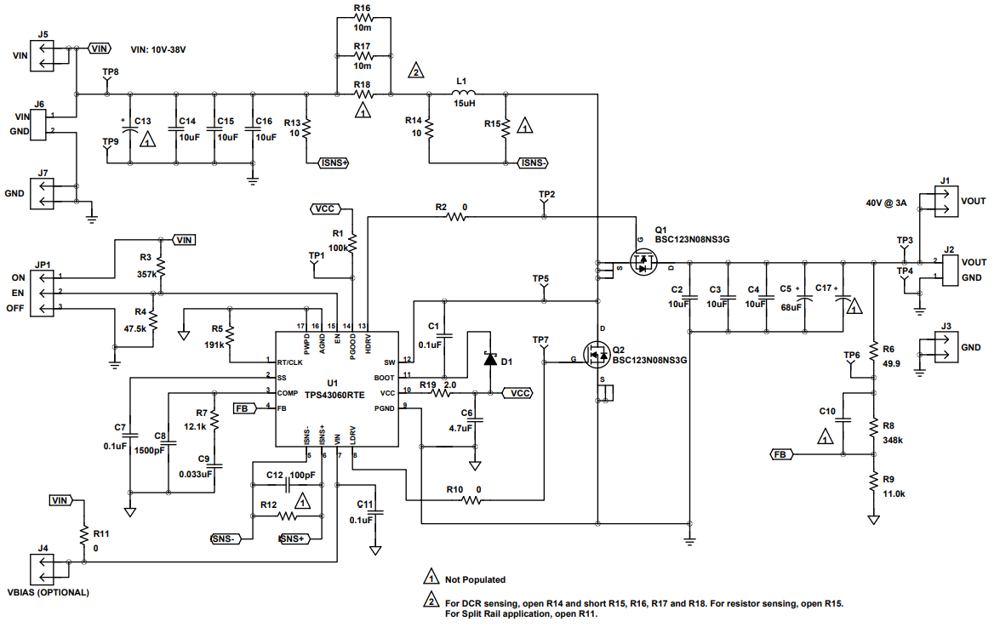
R10: 100K/F/04 | EN(R4) V | Change
D1: 0.5A/30V/RB551V-30-F2-0000HF | BOOT(D1) V | Change
C48: 390P/50V/04/N | COMP(C8) V | Change
R12: 6.04K/F/04 | COMP(R7) V | Change
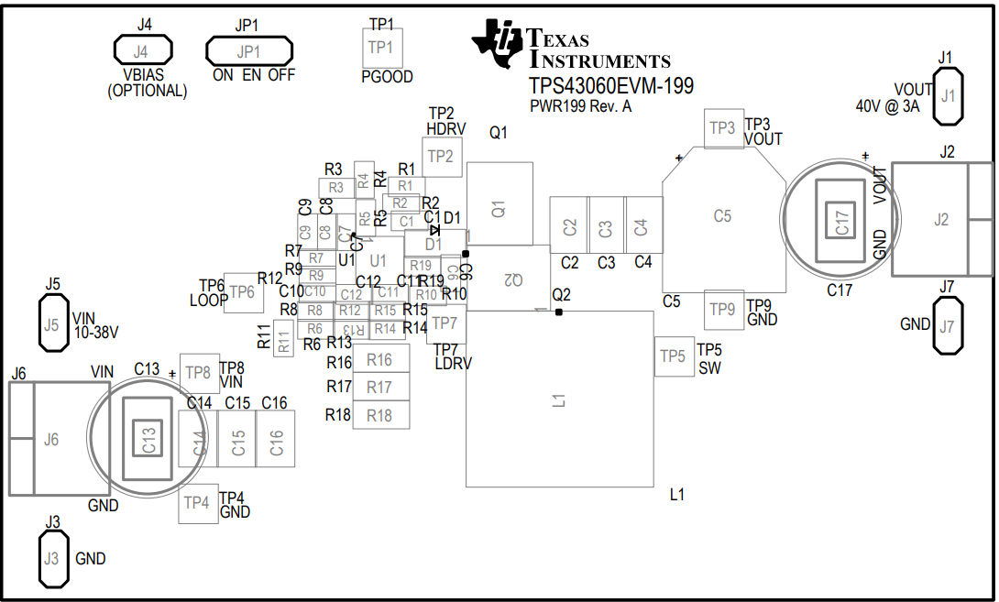

Test setup
TPS43060RTER SCH on eGPU carrier board
Change to EVB default MOS
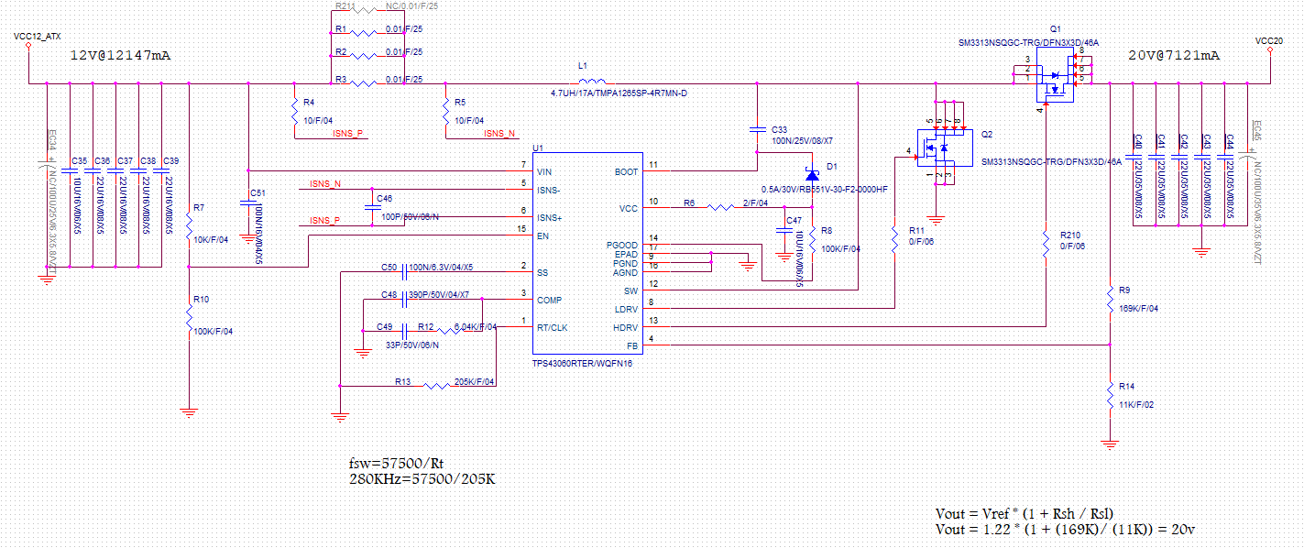

Test item :
1. 22U/35V/08/X5 *5 = 110uF
2. 22U/35V/08/X5 *10 = 220uF
3. 22U/35V/08/X5 *10 + 330uF/35V = 550uF
4. 22U/35V/08/X5 *5 + 100uF/35V = 210uF
5. 22U/35V/08/X5 *5 + 68uF/63V = 178uF
6. 22U/35V/08/X5 *5 + 330uF/35V = 440uF
7.22U/35V/08/X5 *5 + 330uF/35V *2 = 770uF
8.22U/35V/08/X5 *10 + 330uF/35V + 330uF/35V = 880uF

Change to EVB default MOS

Test steps :
1. Use ATX PSU give 12V to the TPS43060 and power it on.
2. Set the electronic load for current loading
3. Scope to the measurement points and capture the waveforms

TPS43060RTER HDRV MOSFET
TPS43060RTER_Vout : 20V | TPS43060RTER_Vout : 20V | TPS43060RTER_Vout : 20V
Frequency : 294Khz | Frequency : 502.6Khz | Frequency : 353Khz
Inductor: 4.7UH/17A/TMPA1265SP-4R7MN-D | Inductor: 4.7UH/17A/TMPA1265SP-4R7MN-D | Inductor: 3.3uF/18A/TMPC1265HP-3R3MG-D

TPS43060RTER HDRV G-gate frequency at 1A、2A、7.5A load current level | TPS43060RTER HDRV G-gate frequency at 1A、2A、7.5A load current level | TPS43060RTER HDRV G-gate frequency at 1A、2A、7.5A load current level

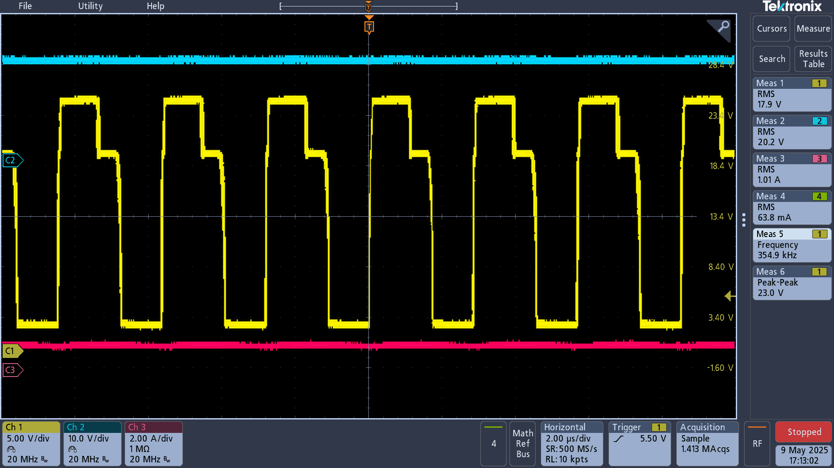
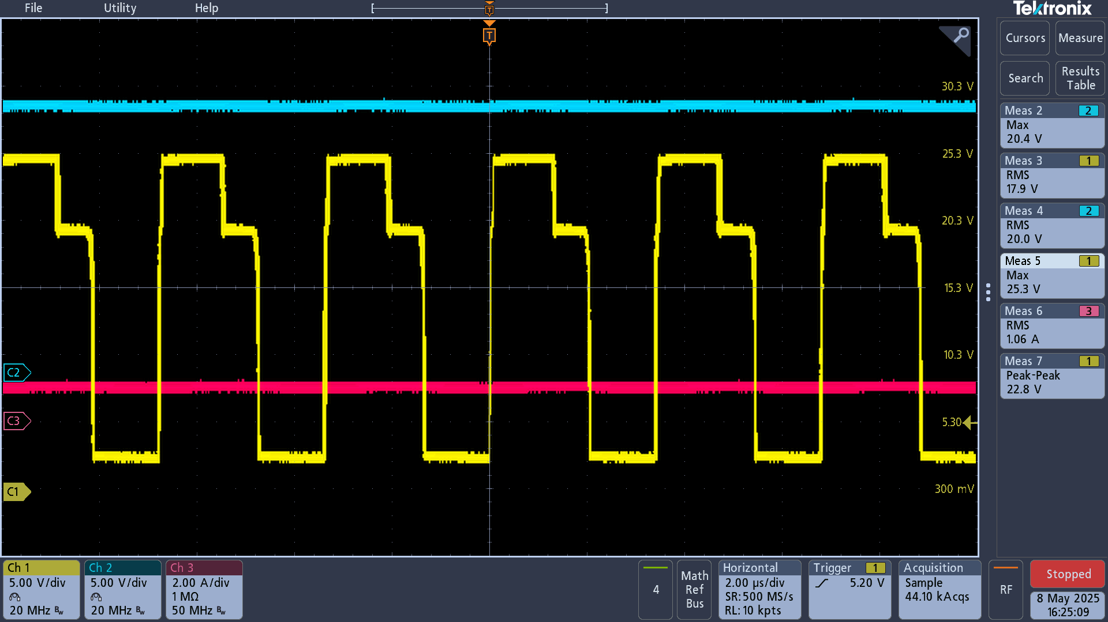
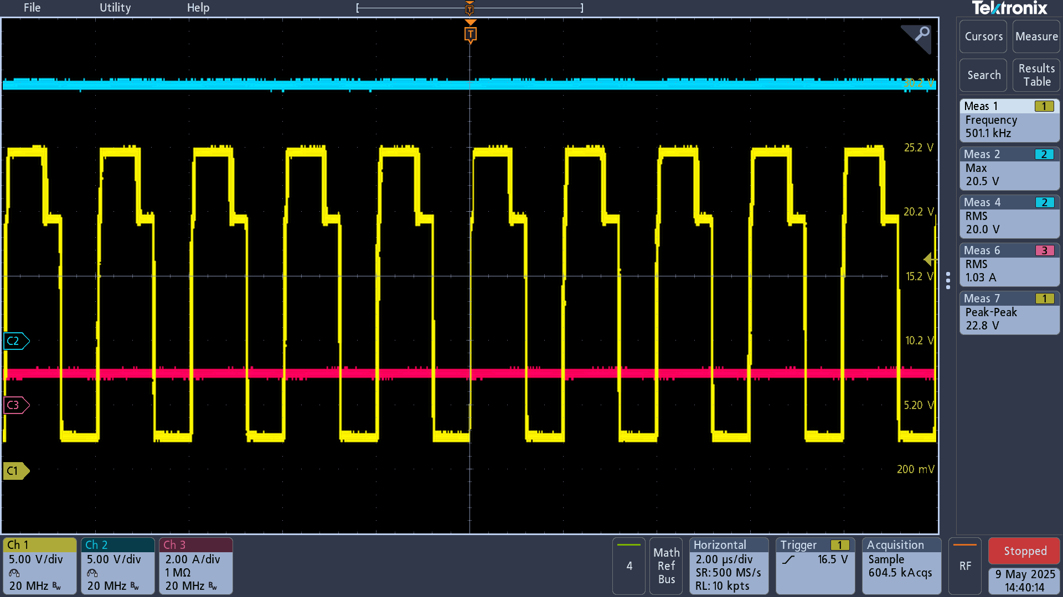
1A load | 1A load | 1A load
 |  |  | .
Vout
Vout
Vout
HDRV frequency
HDRV frequency
HDRV frequency

Iout
Iout

Iout

2A load | 2A load | 2A load
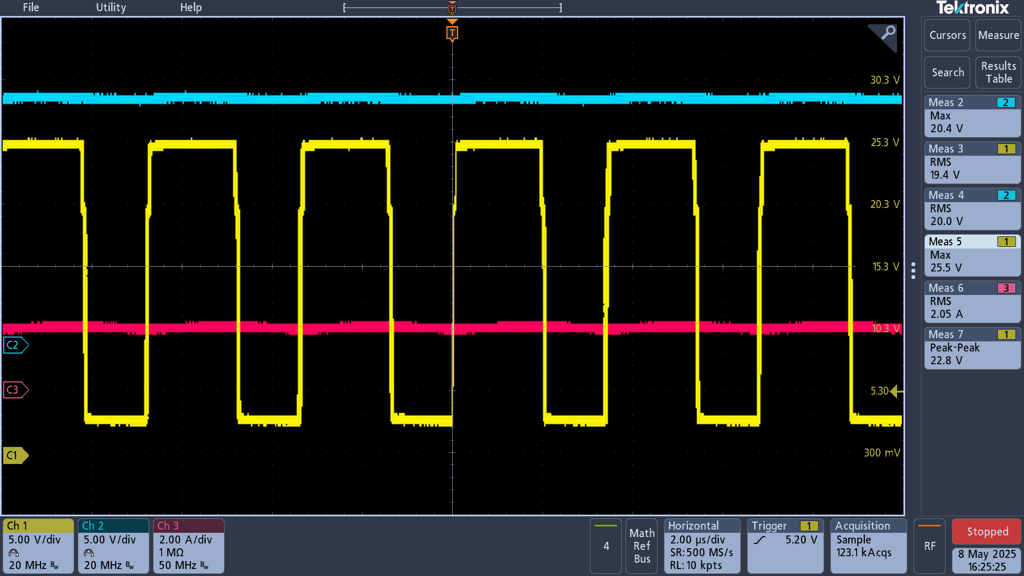
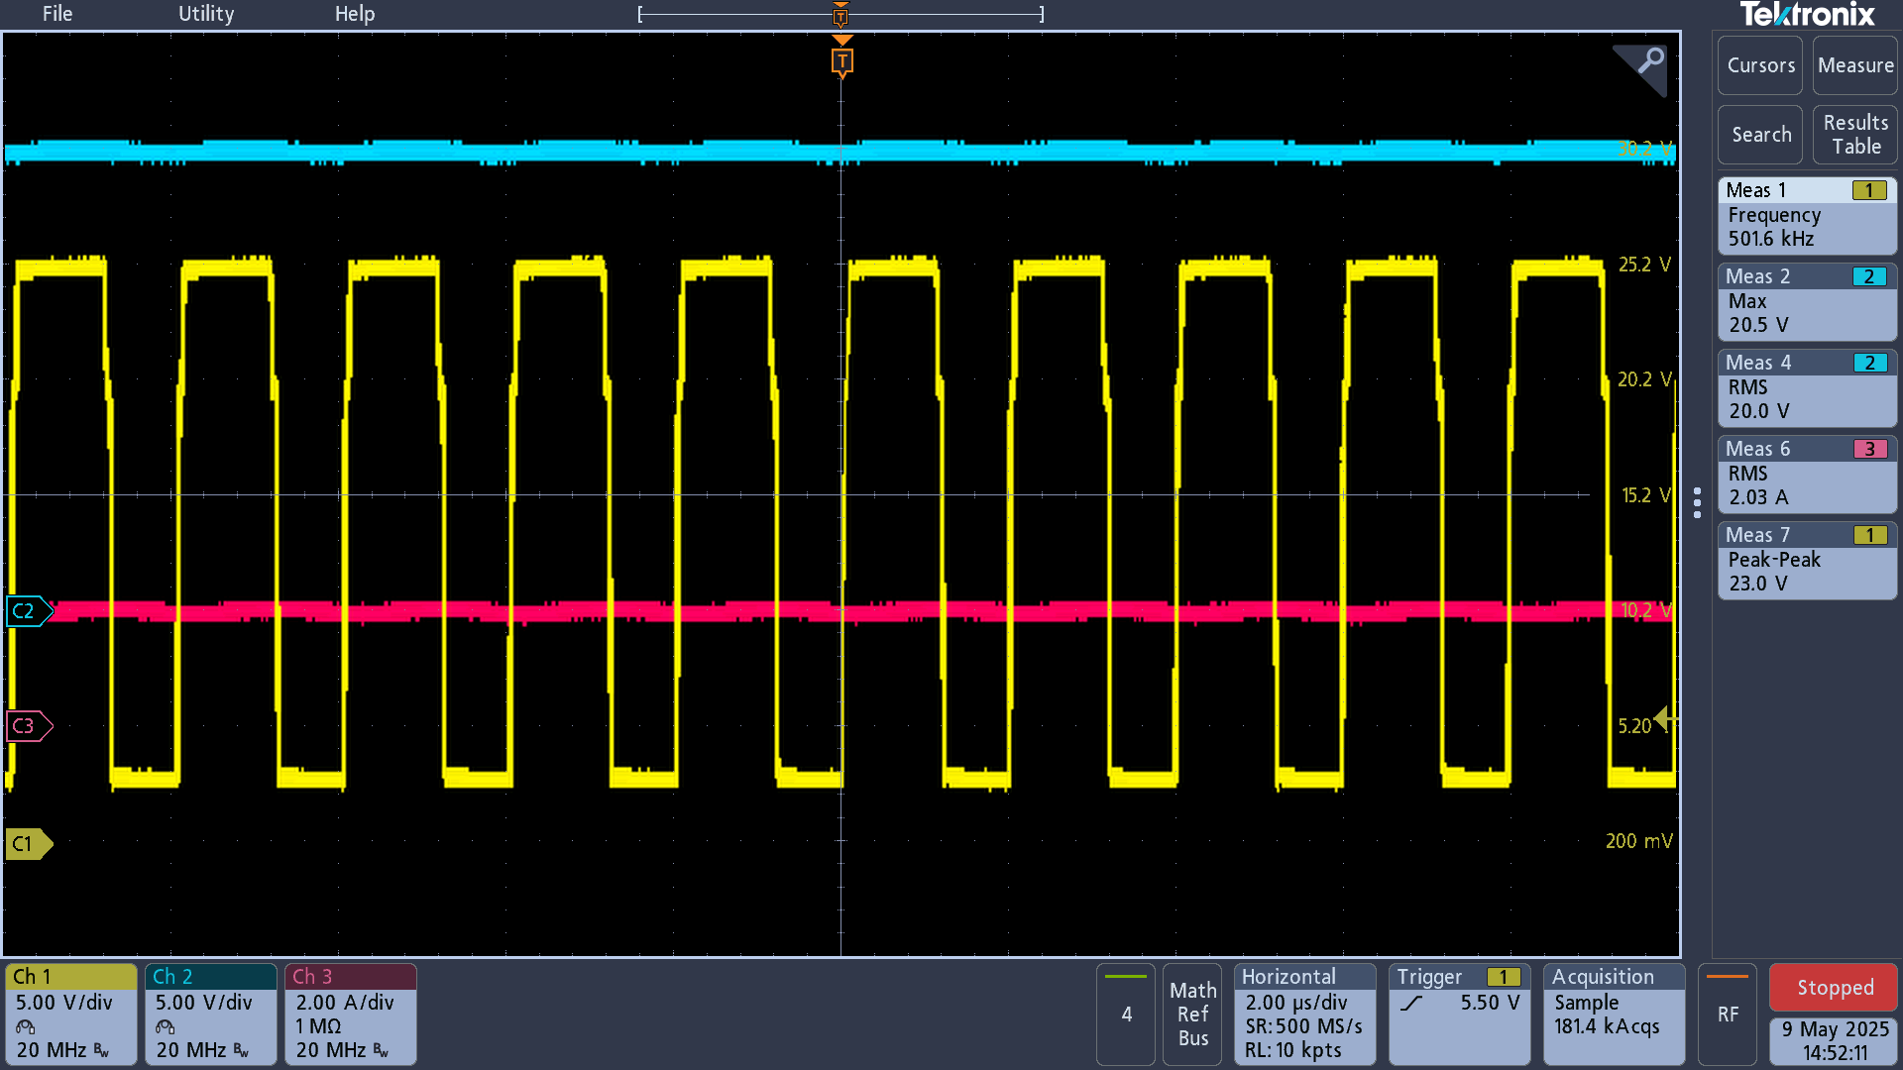
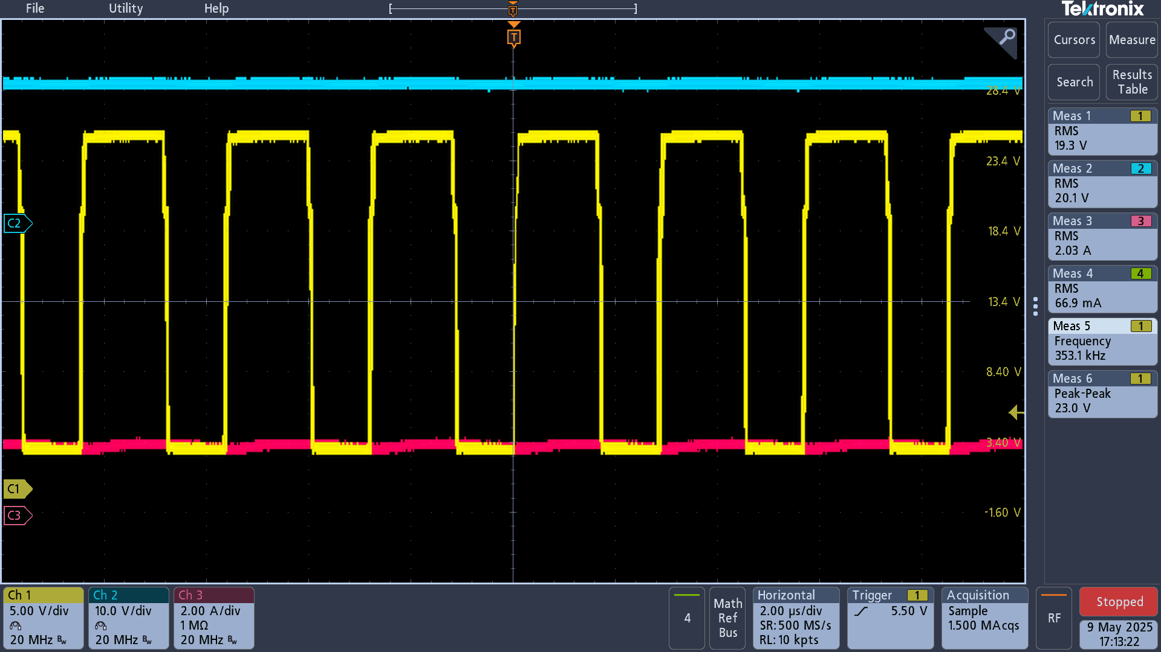
Vout
Vout
Vout
HDRV frequency
HDRV frequency
HDRV frequency

Iout
Iout

Iout

7.5A load | 7.5A load | 7.5A load
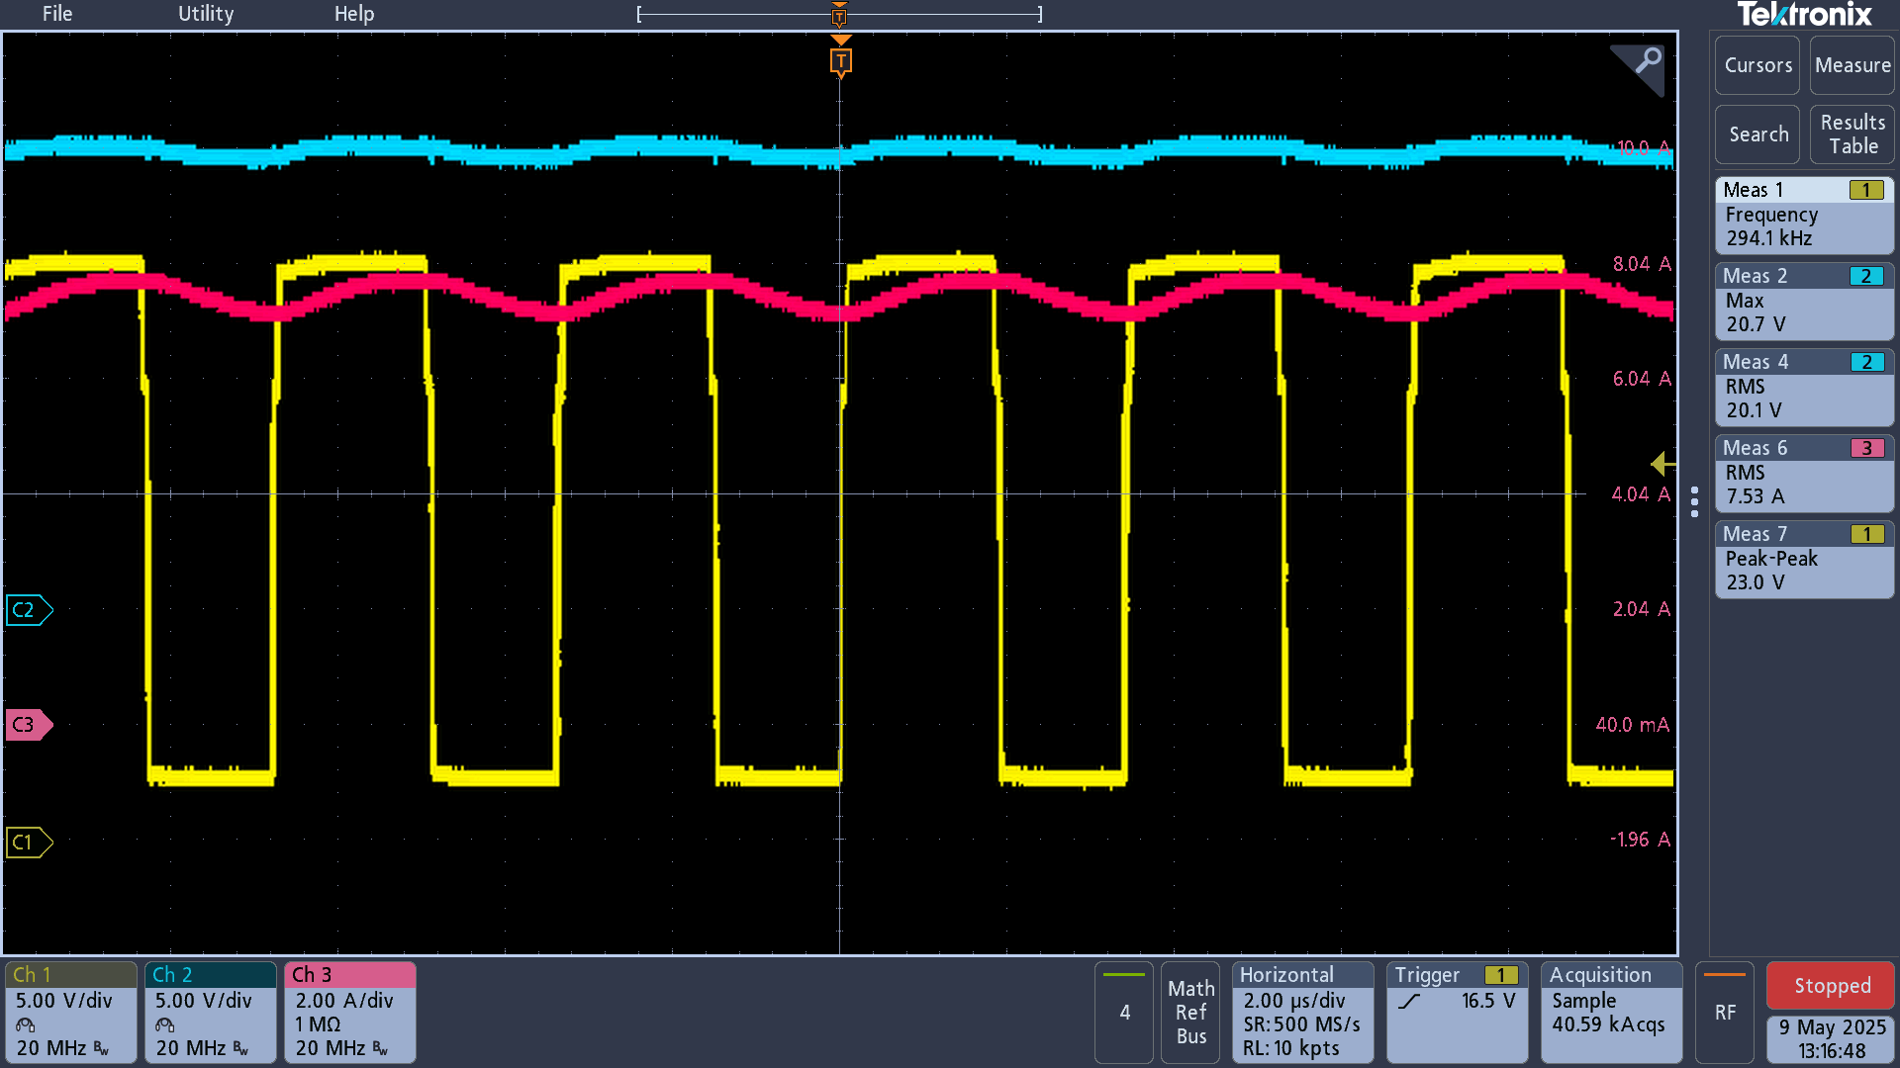
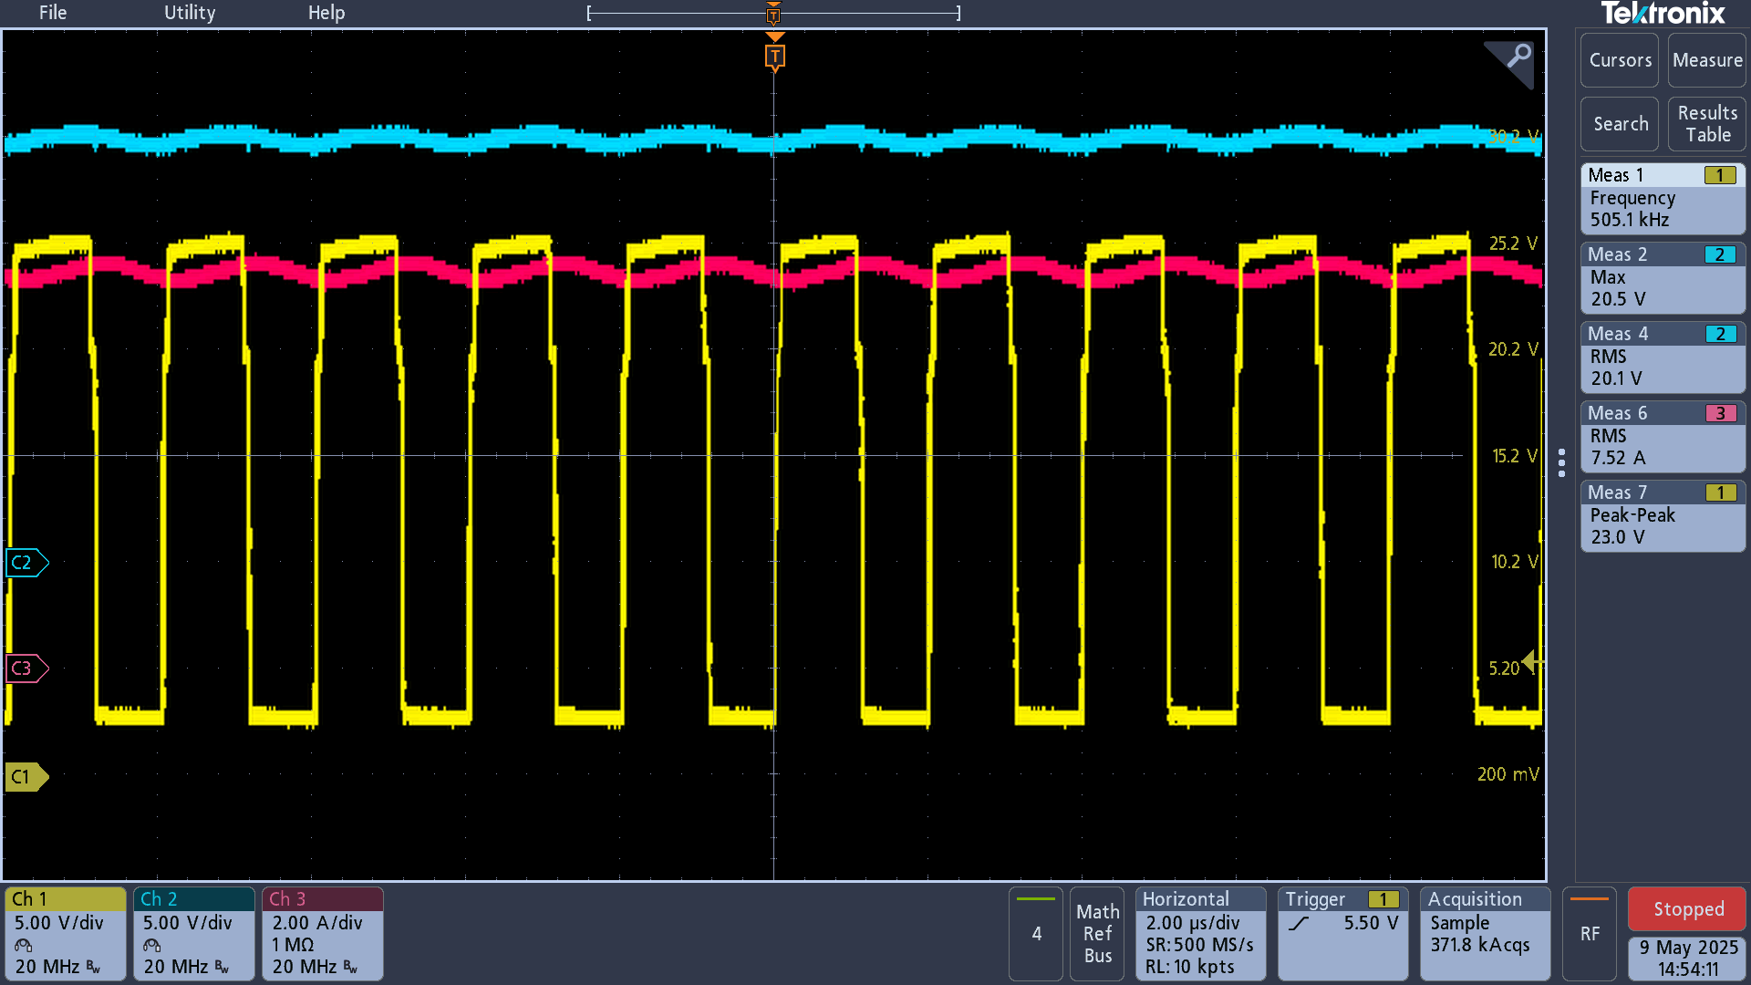
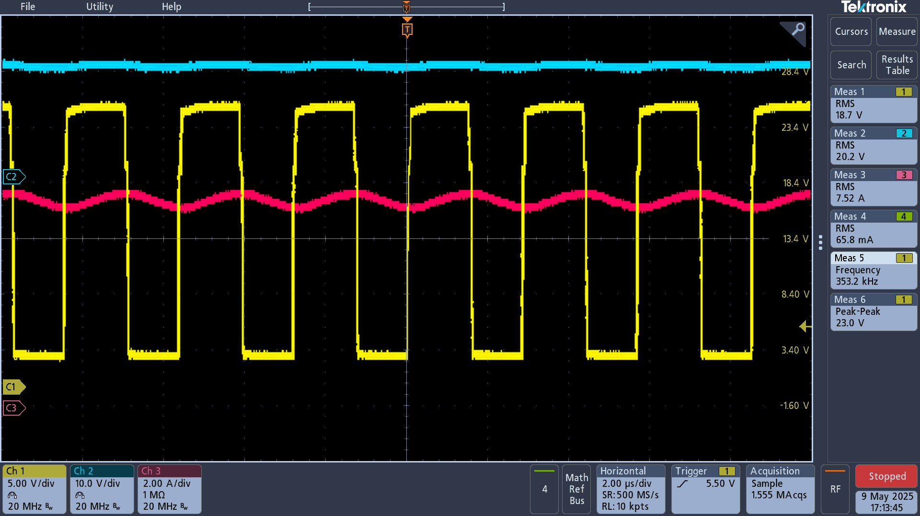
Vout
Vout
Vout

HDRV frequency
HDRV frequency
HDRV frequency

Iout
Iout

Iout

TPS43060RTER Vout noise
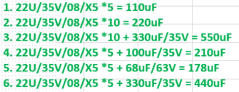
TPS43060RTER_Vout : 20V
Frequency : 294Khz
Vout Cap:

Inductor: 4.7UH/17A/TMPA1265SP-4R7MN-D

TPS43060RTER Vout noise at 3A、7.5A load current level | `

22U/35V/08/X5 *5 = 110uF |  | 22U/35V/08/X5 *10 = 220uF | 22U/35V/08/X5 *10 + 330uF/35V = 550uF | 22U/35V/08/X5 *5 + 100uF/35V = 210uF | 22U/35V/08/X5 *5 + 68uF/63V = 178uF | 22U/35V/08/X5 *5 + 330uF/35V = 440uF
3A load: 3.6V |  | 3A load: 248mV | 3.5A load: 220mV | 3A load: 360mV | 3A load: 280mV | 3A load: 264mV | .
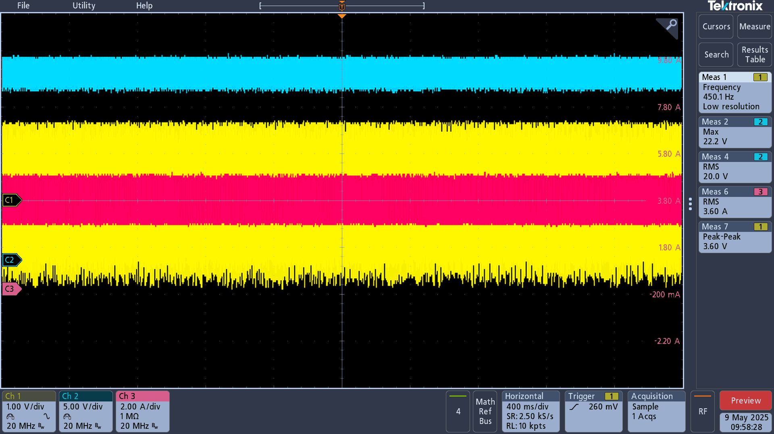
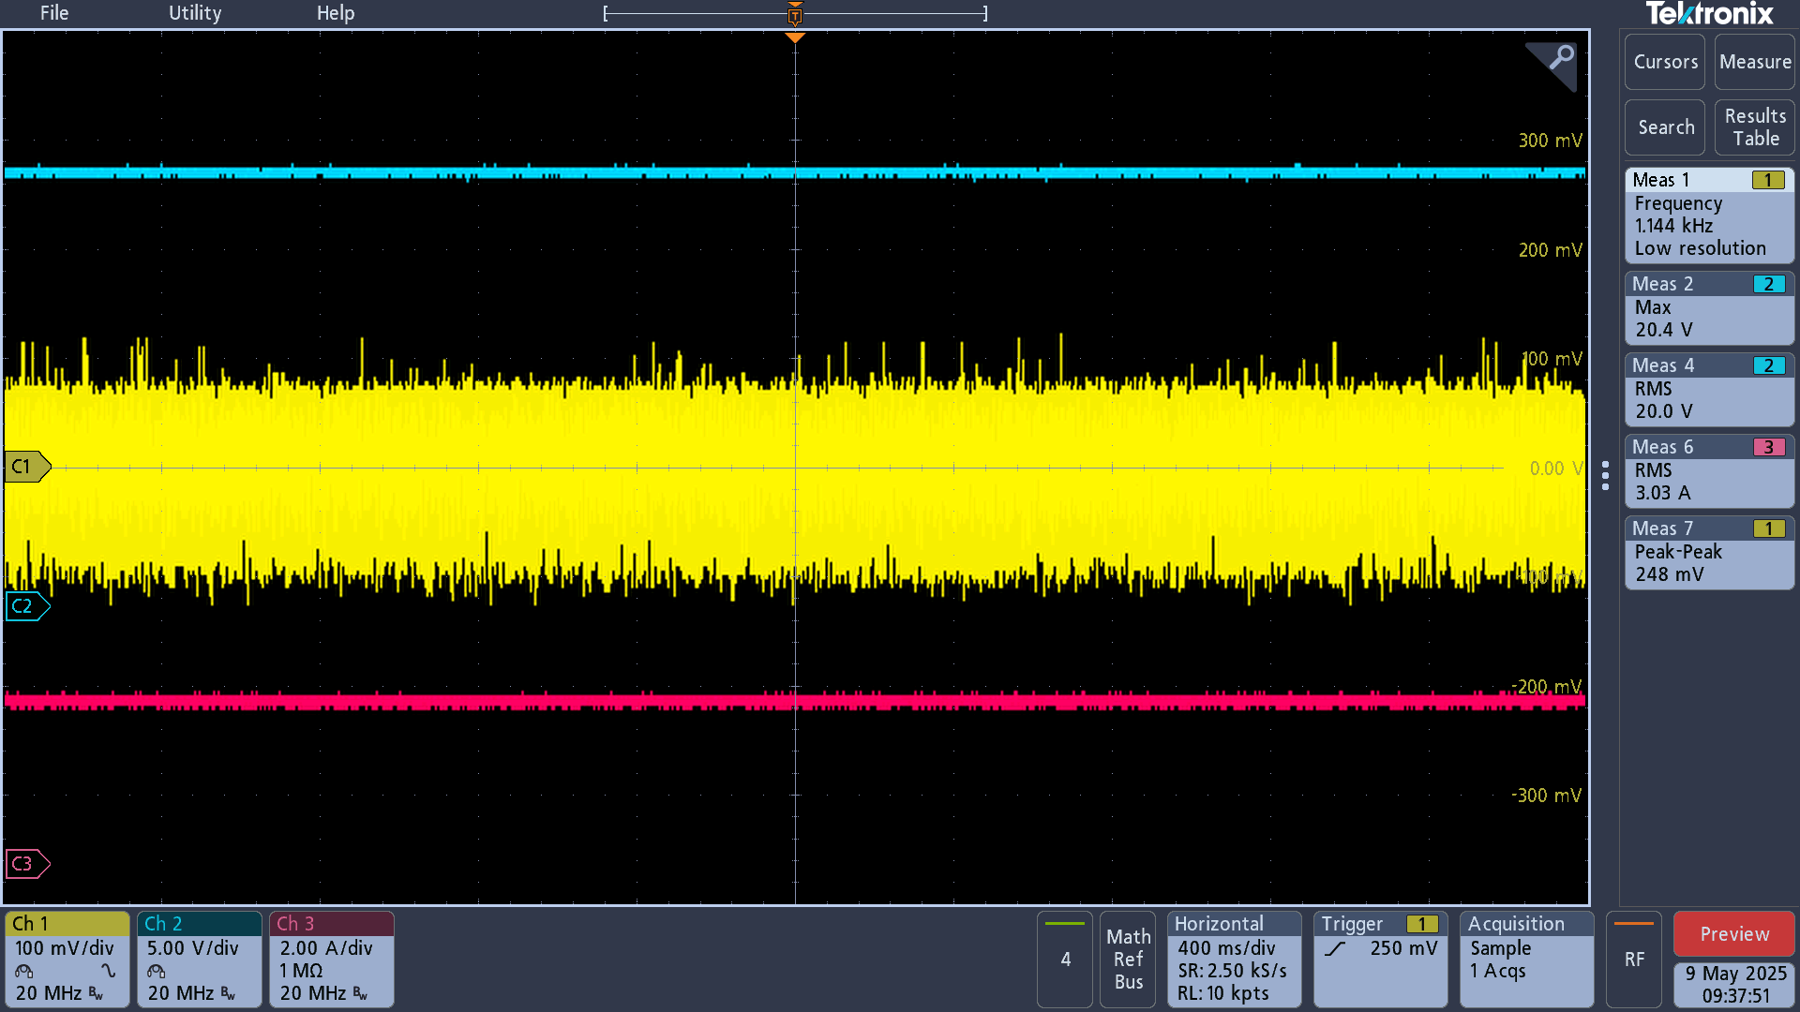
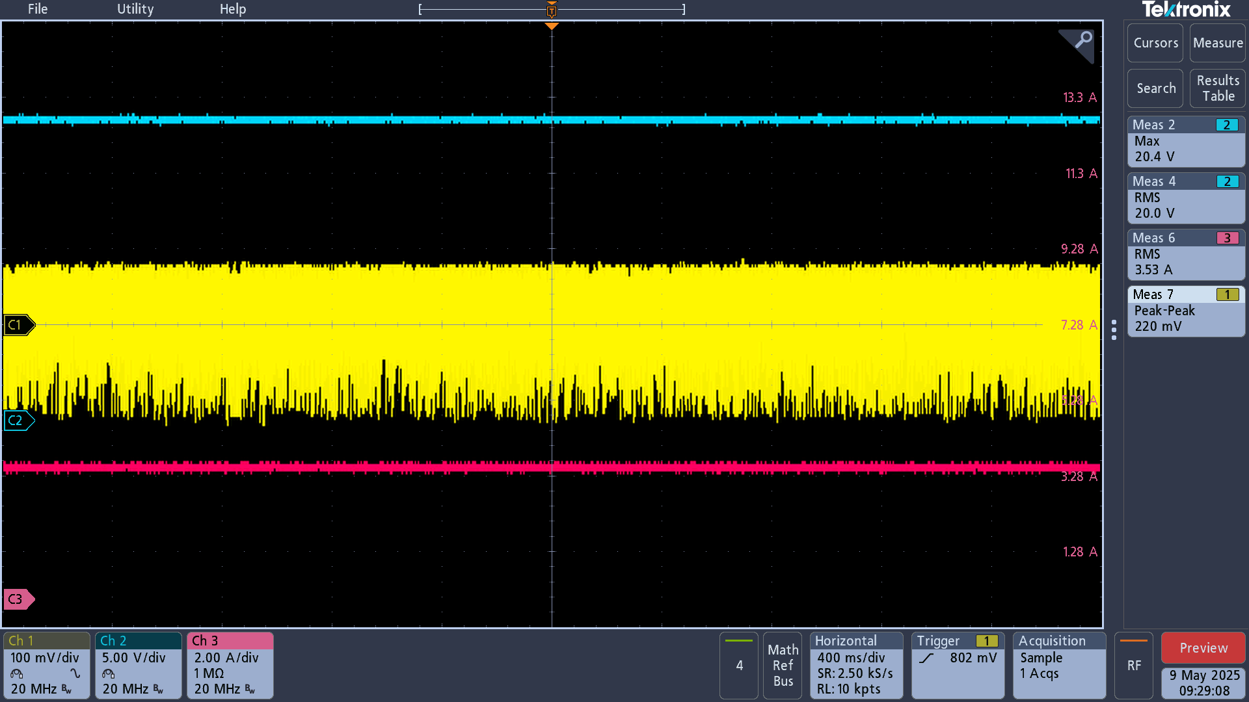
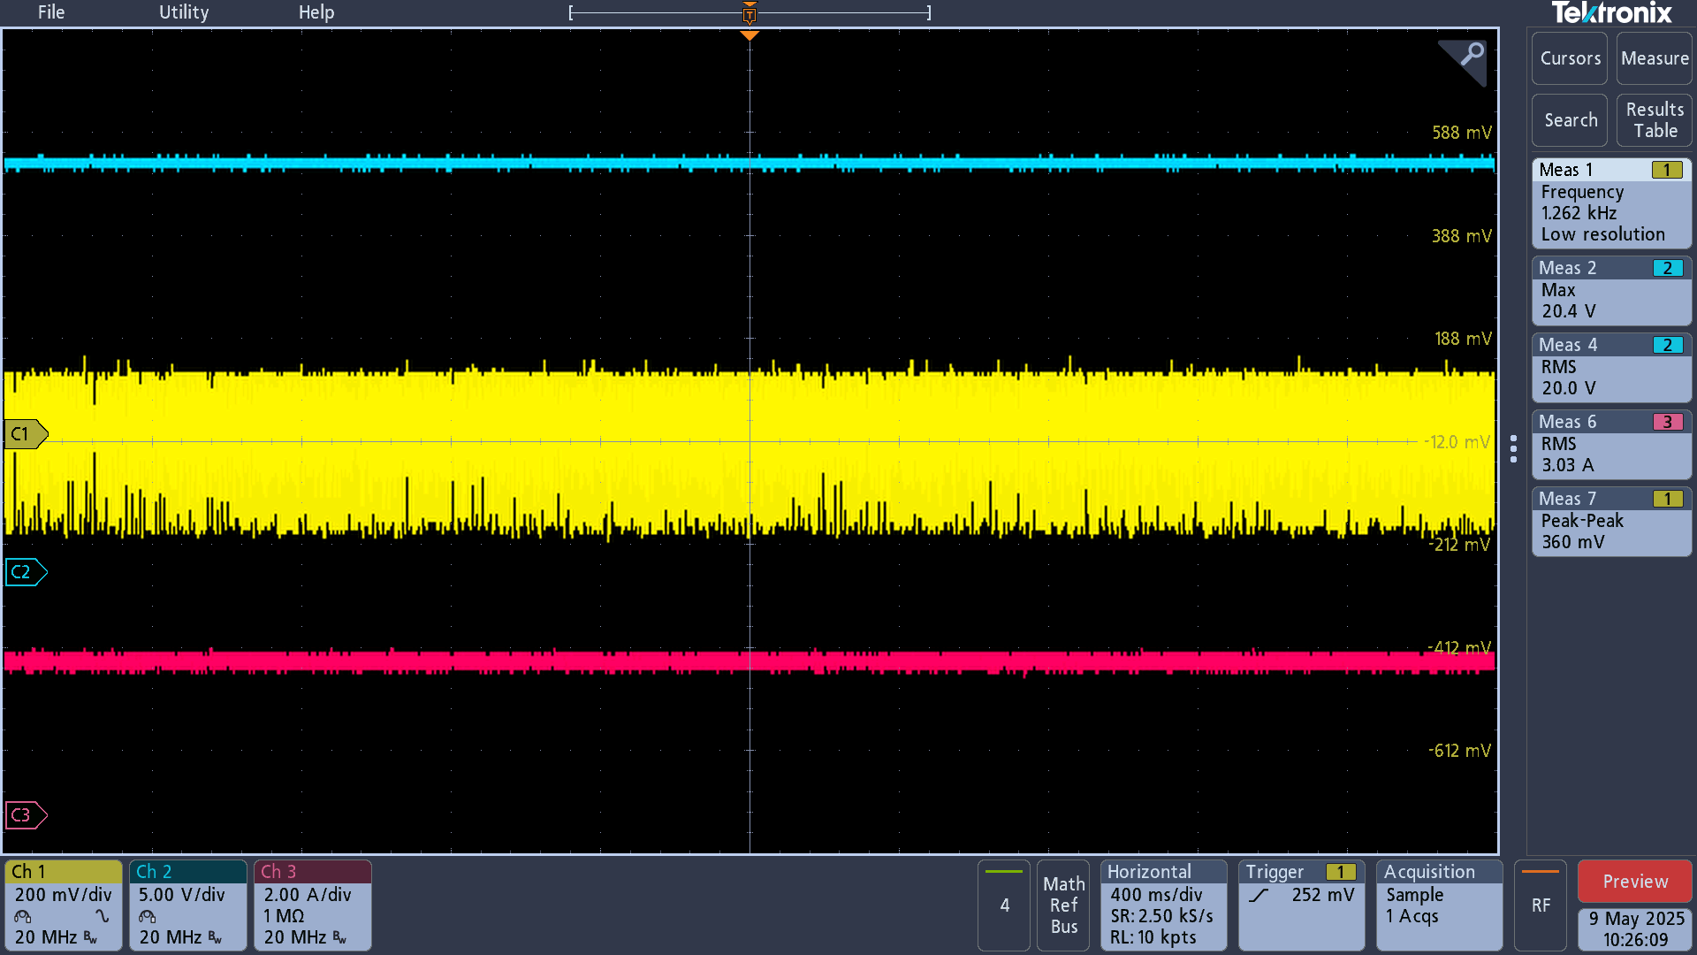
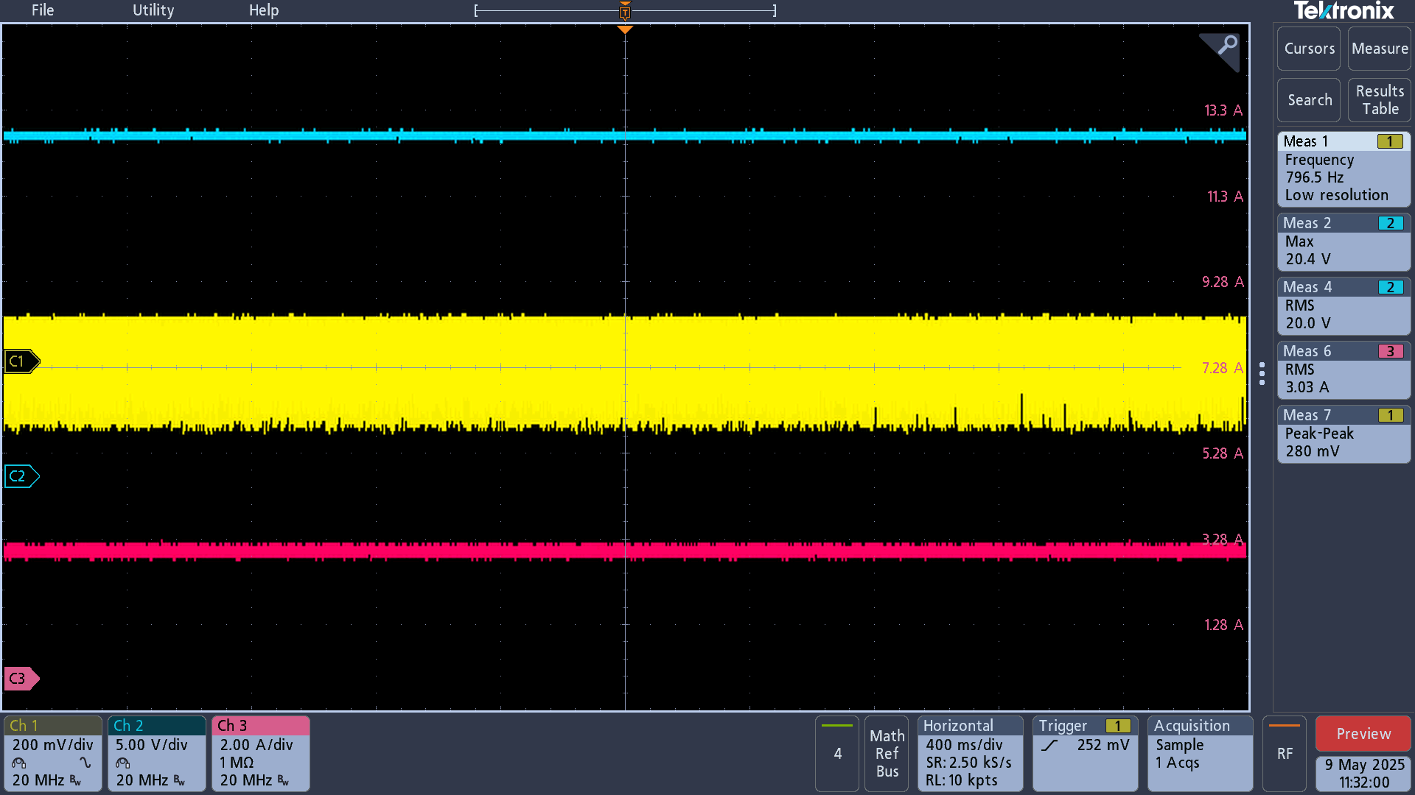
Vout
Vout
Vout
Vout
Vout
Vout

Vout Peak-Peak

Vout Peak-Peak
Vout Peak-Peak
Vout Peak-Peak
Vout Peak-Peak
Vout Peak-Peak
Iout

Iout
Iout
Iout
Iout
Iout

7.5A load: 3.8V |  | 7.5A load: 1.59V | 7.5A load: 492mV | 7.5A load: 936mV | 7.5A load: 680mV | 7.5A load: 624mV
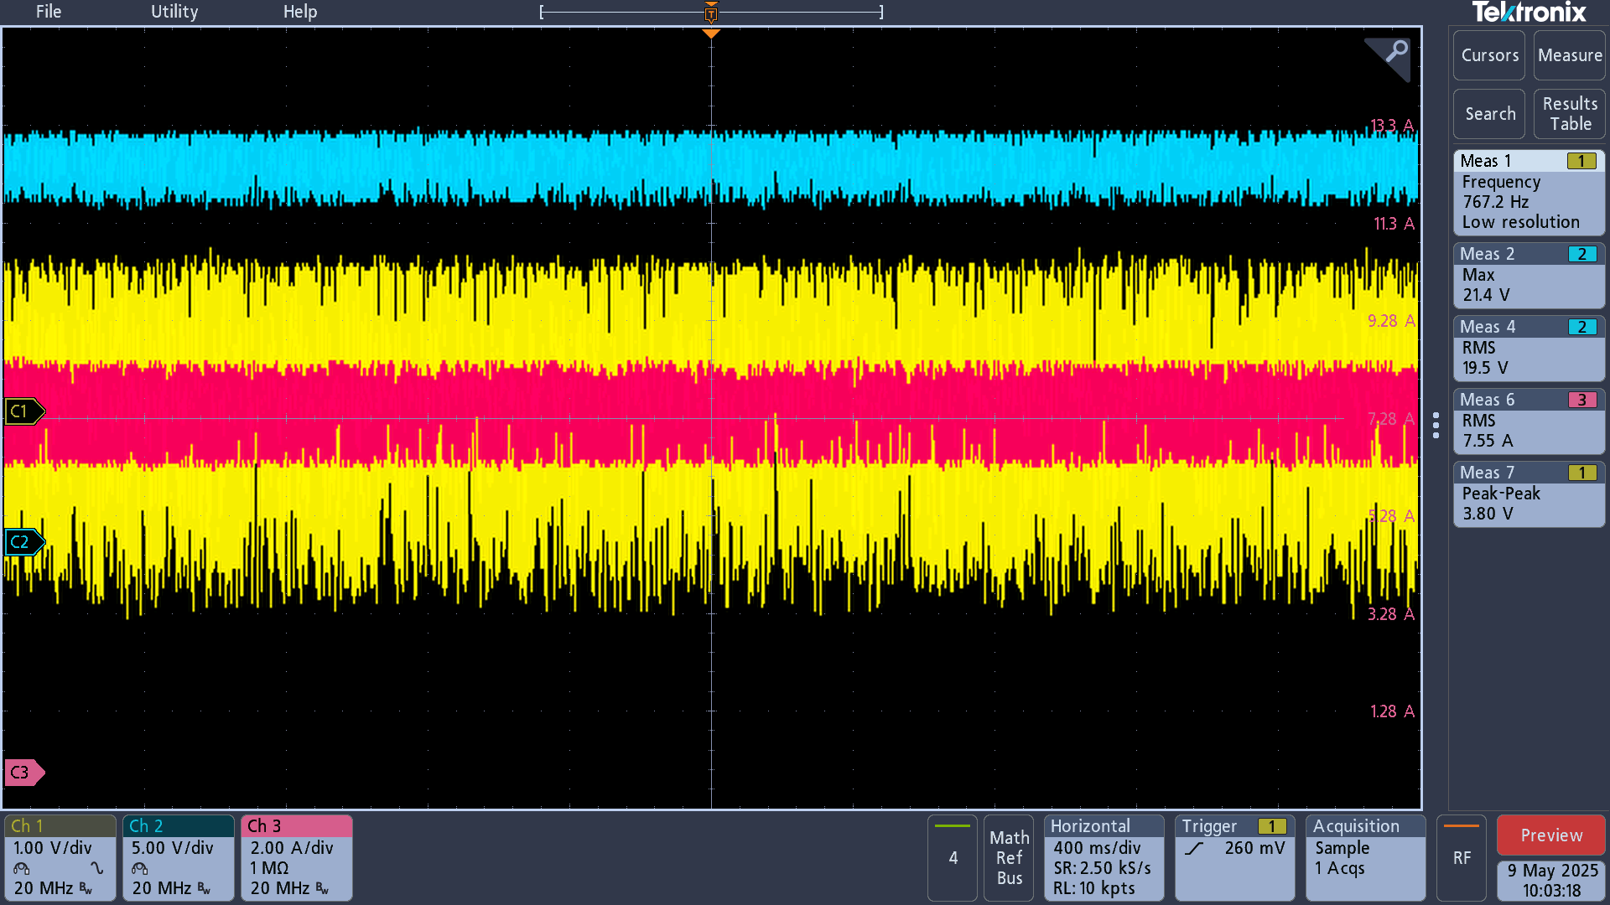
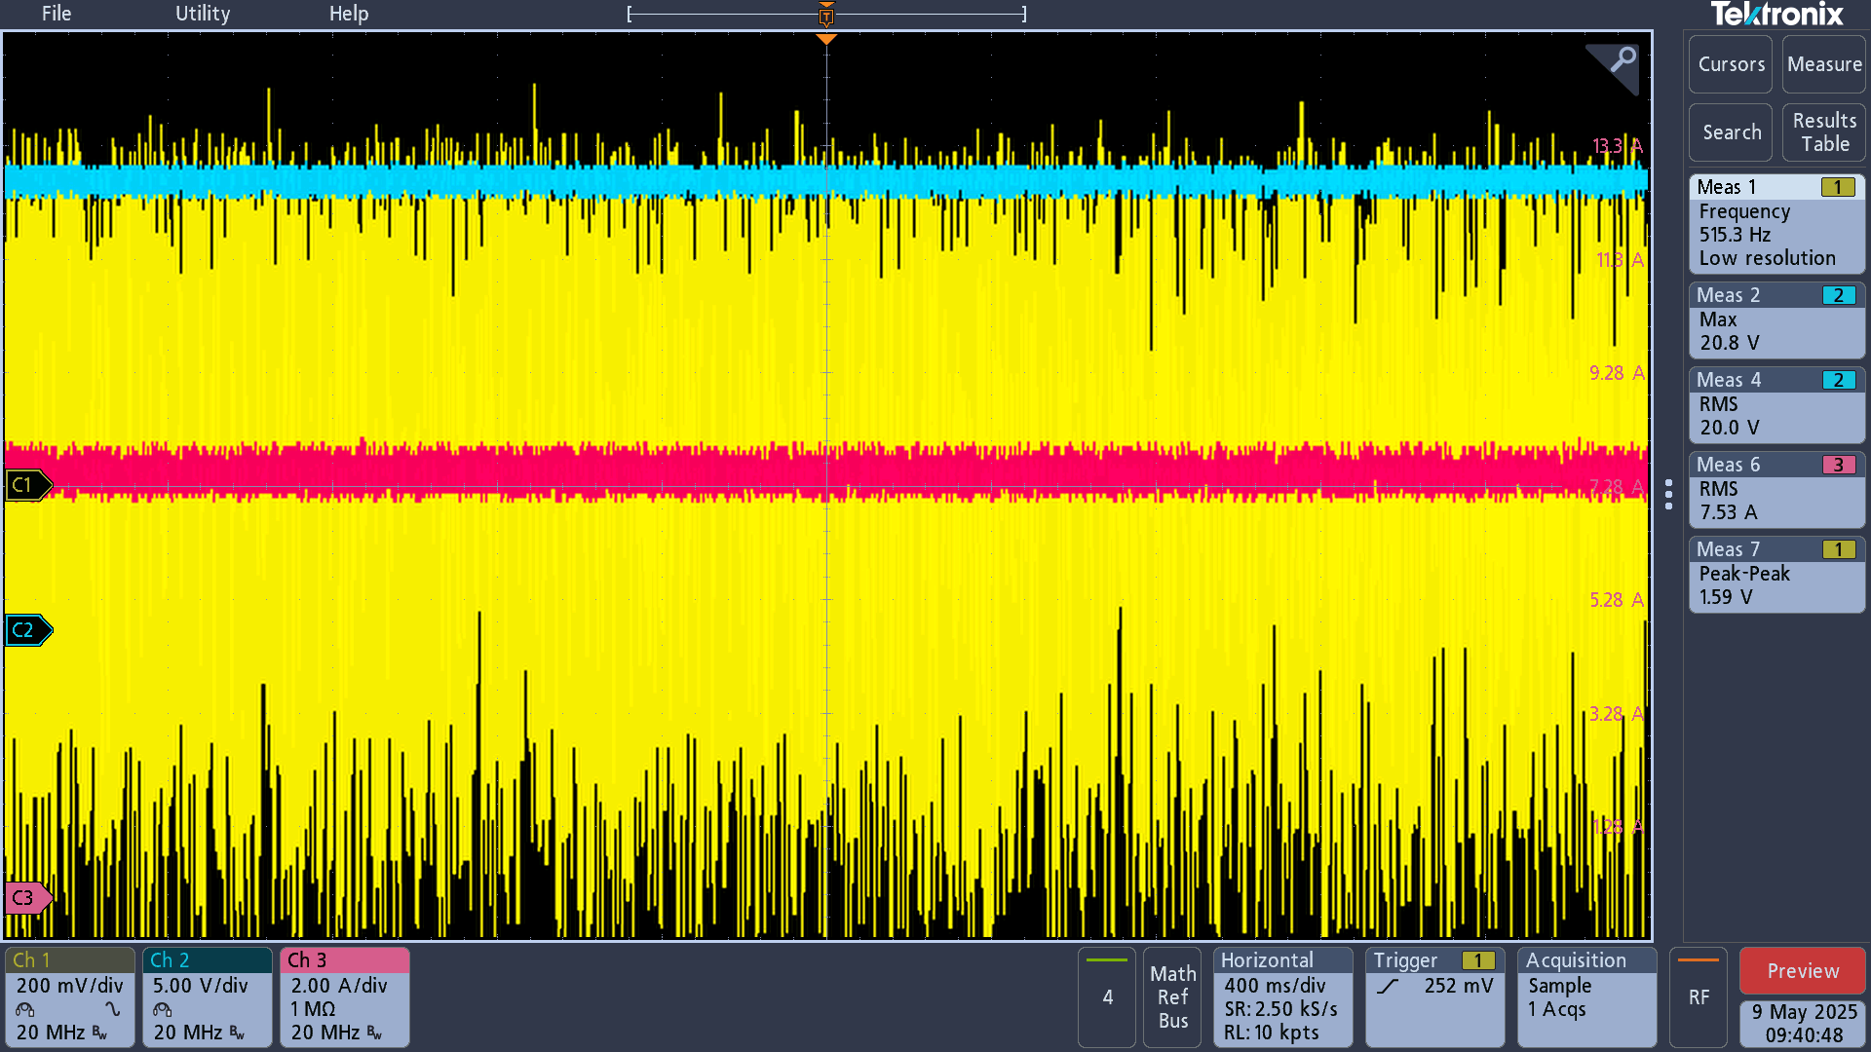
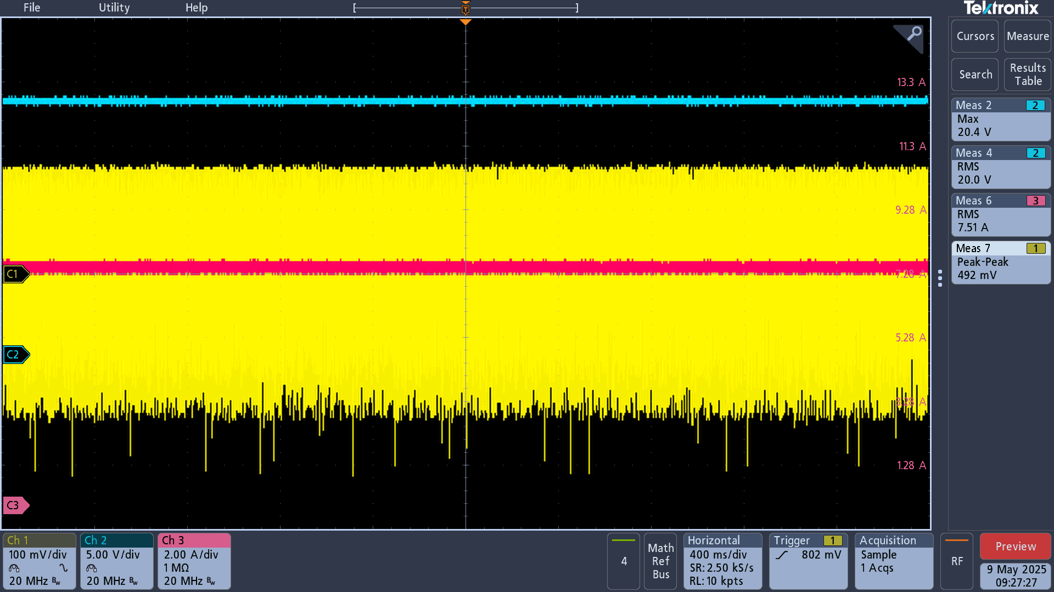
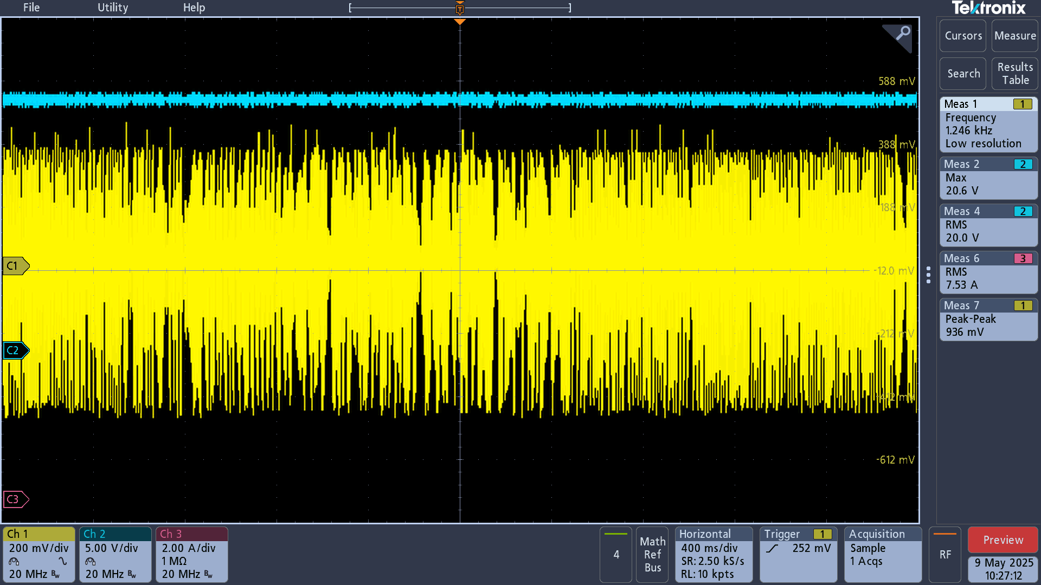
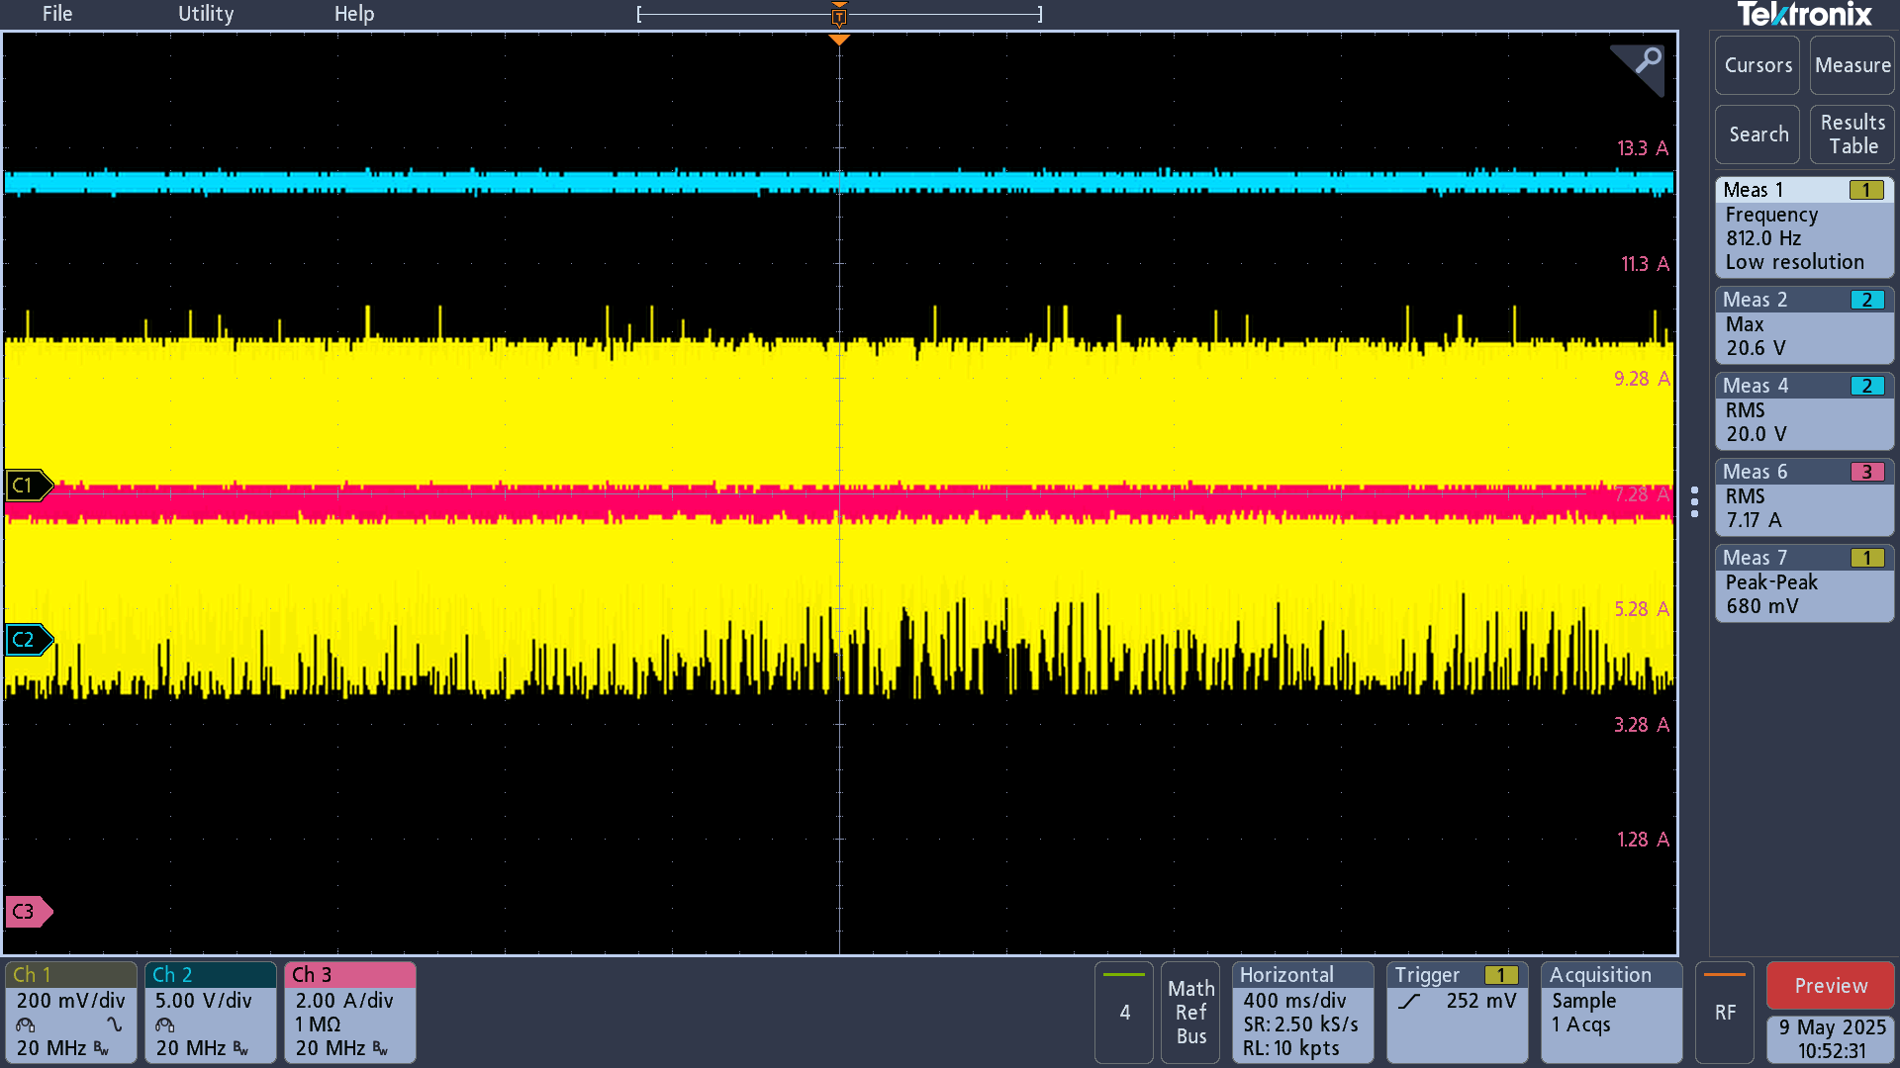
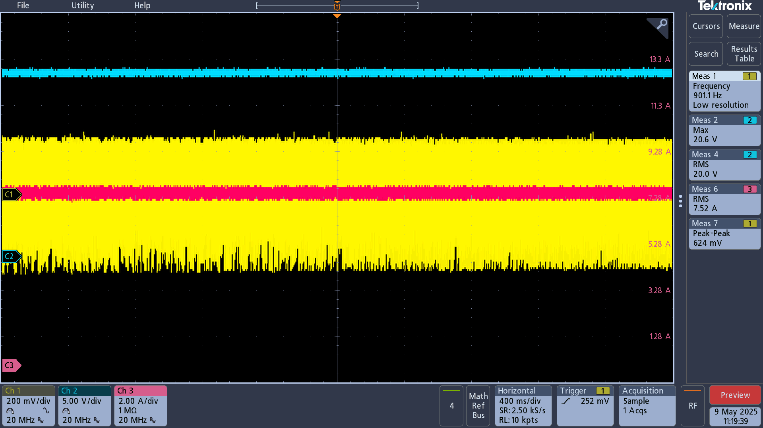
Vout
Vout
Vout
Vout
Vout
Vout

Vout Peak-Peak
Vout Peak-Peak
Vout Peak-Peak
Vout Peak-Peak
Vout Peak-Peak
Vout Peak-Peak
Iout
Iout
Iout
Iout
Iout

Iout

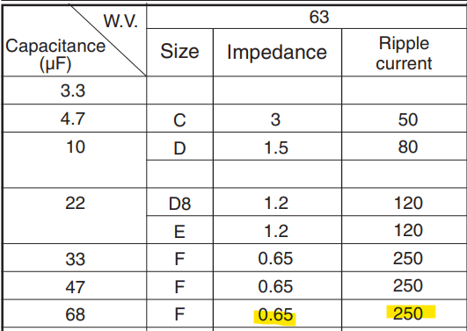
 |  |  |  | 100uf spec | 68uF spec | 330uf spec
 |  |  | 330uF spec

Vout noise 3.3uH Inductor
TPS43060RTER_Vout : 20V | TPS43060RTER_Vout : 20V | TPS43060RTER_Vout : 20V
Frequency : 353Khz | Frequency : 500Khz | Frequency : 750Khz
Vout Cap: 22U/35V/08/X5 *5 + 330uF/35V = 440uF | Vout Cap: 22U/35V/08/X5 *5 + 330uF/35V = 440uF | Vout Cap: 22U/35V/08/X5 *5 + 330uF/35V = 440uF
Inductor: 3.3uH/18A/TMPC1265HP-3R3MG-D | Inductor: 3.3uH/18A/TMPC1265HP-3R3MG-D | Inductor: 3.3uH/18A/TMPC1265HP-3R3MG-D

TPS43060RTER Vout noise at 3A、7.5A load current level | TPS43060RTER Vout noise at 3A、7.5A load current level | TPS43060RTER Vout noise at 3A、7.5A load current level

22U/35V/08/X5 *5 + 330uF/35V = 440uF | 22U/35V/08/X5 *5 + 330uF/35V = 440uF | 22U/35V/08/X5 *5 + 330uF/35V = 440uF
3A load: 248mV | 3A load: 236mV | 3A load: 196mV
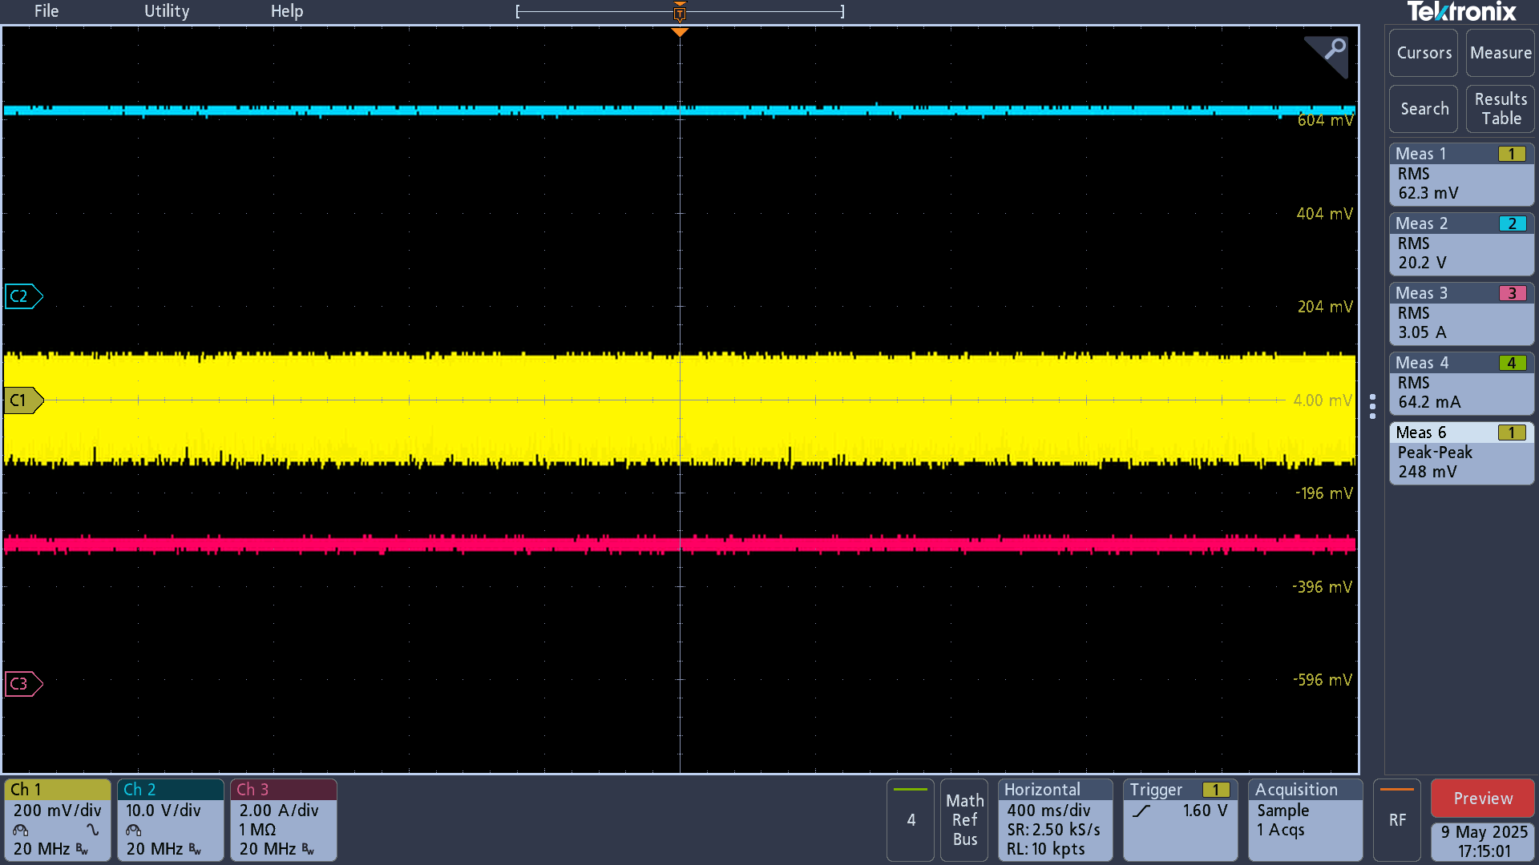
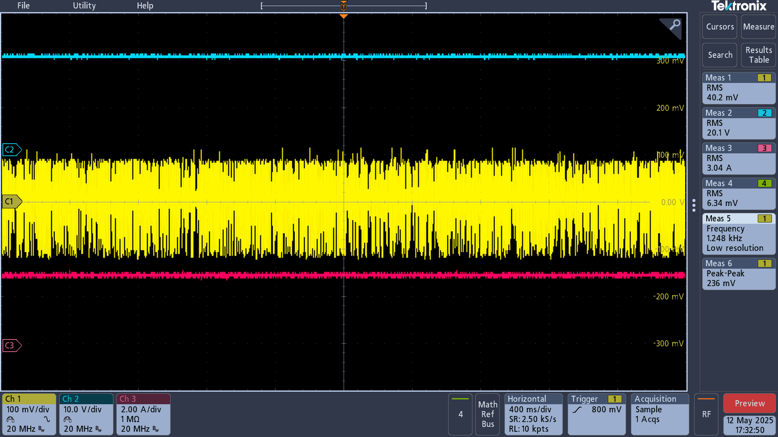
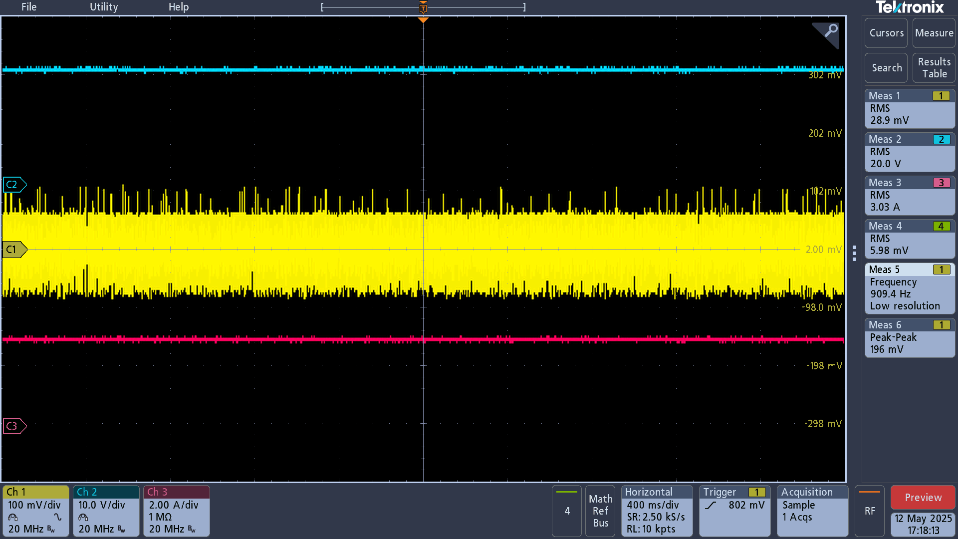
Vout
Vout
Vout

Vout Peak-Peak
Vout Peak-Peak
Vout Peak-Peak

Iout
Iout
Iout

7.5A load: 648mV | 7.5A load: 540mV | 7.5A load: 464mV
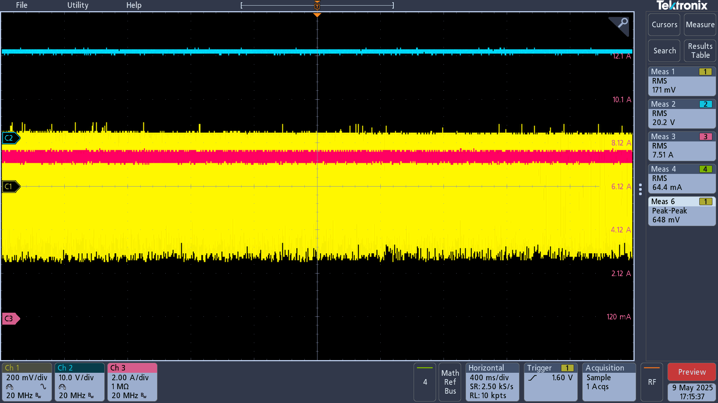
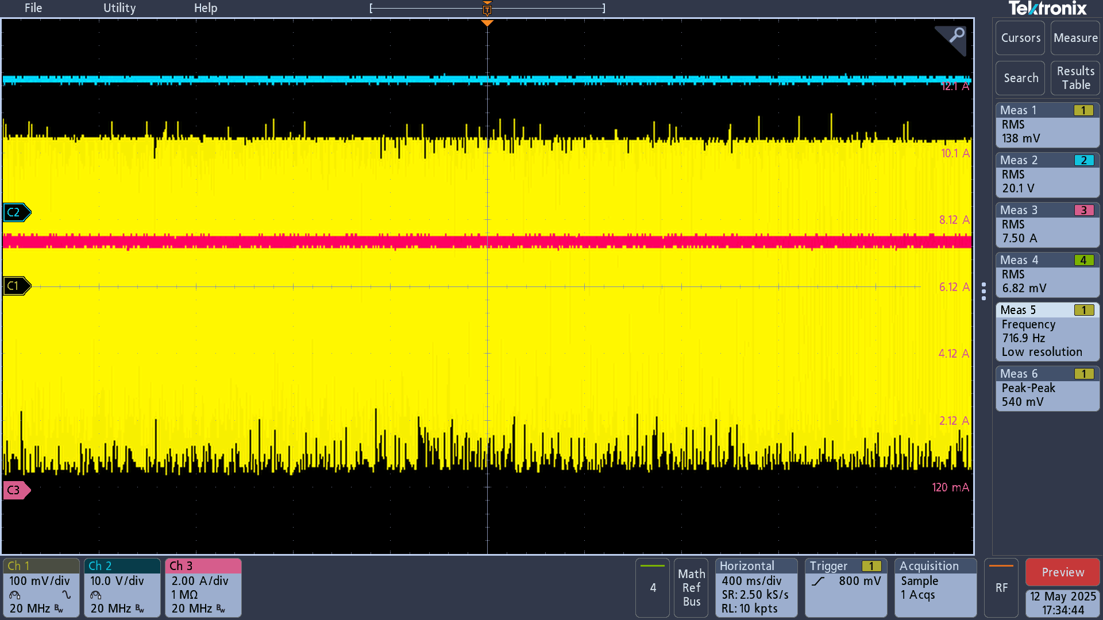
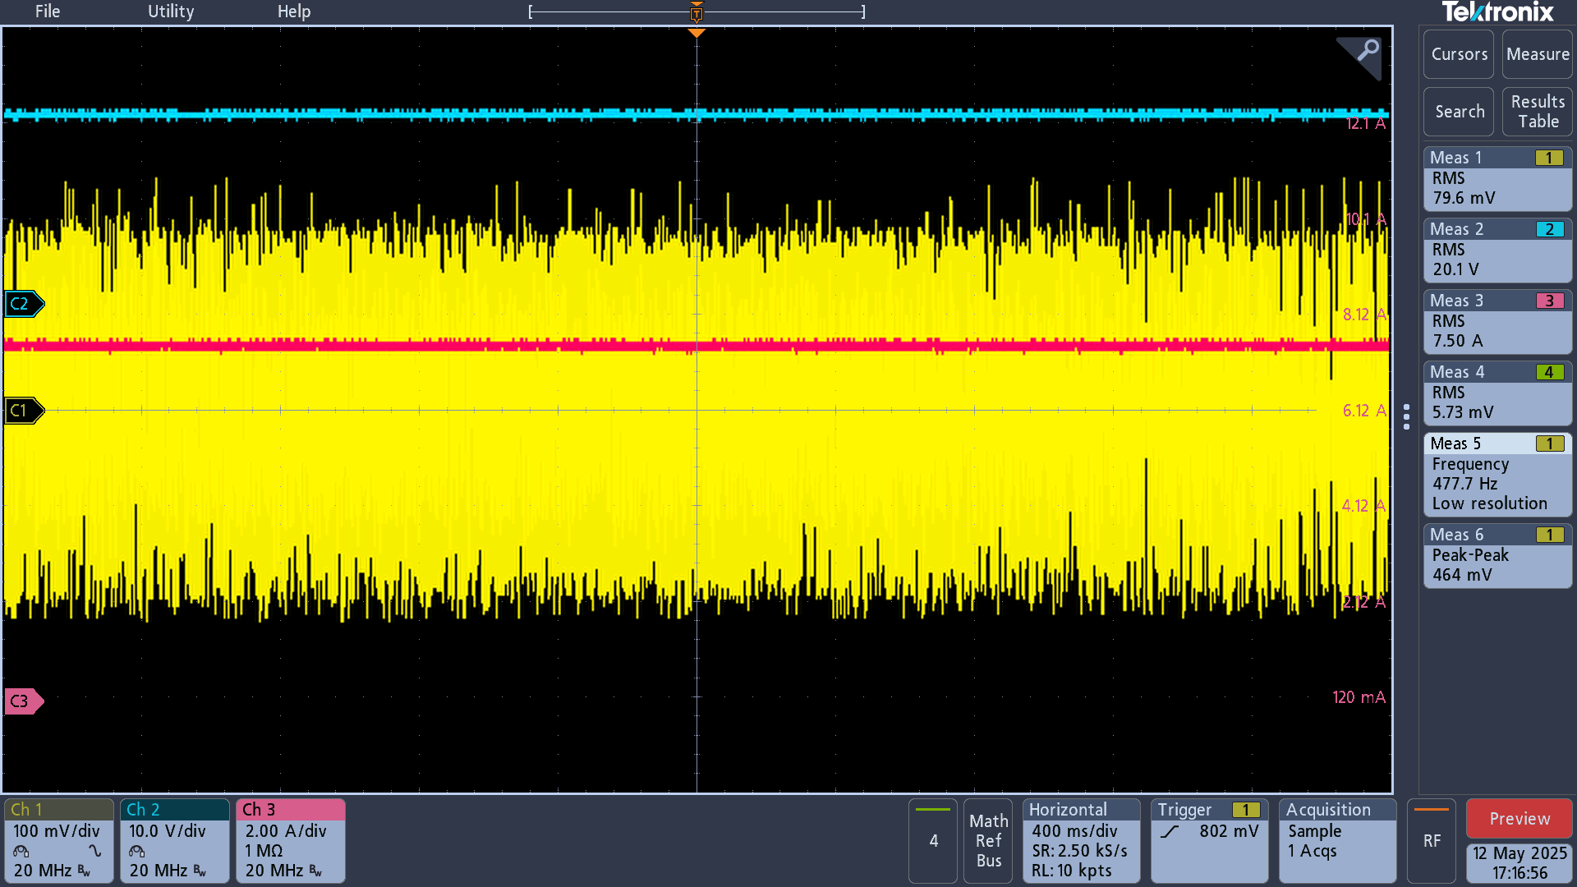
Vout
Vout
Vout

Vout Peak-Peak
Vout Peak-Peak
Vout Peak-Peak

Iout
Iout

Iout

3.3uH spec
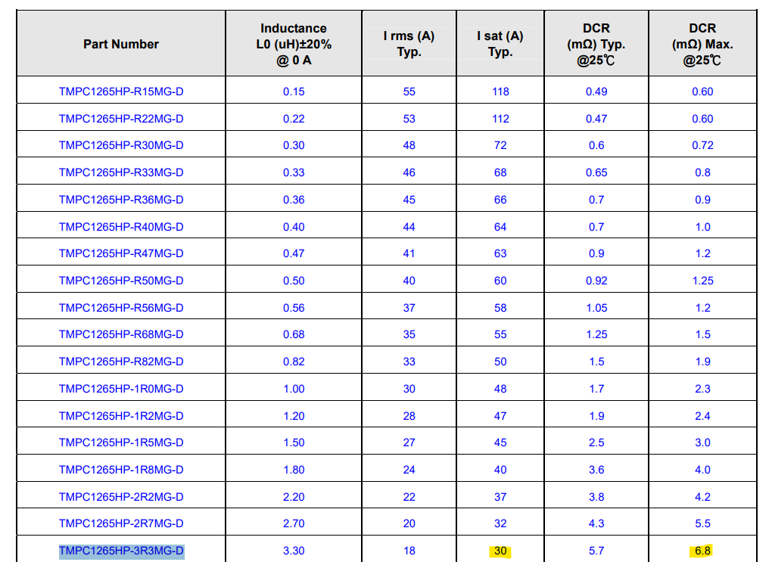

Vout noise 4.7uH Inductor
TPS43060RTER_Vout : 20V | TPS43060RTER_Vout : 20V | TPS43060RTER_Vout : 20V
Frequency : 353Khz | Frequency : 500Khz | Frequency : 750Khz
Vout Cap: 22U/35V/08/X5 *10 + 330uF/35V = 550uF | Vout Cap: 22U/35V/08/X5 *10 + 330uF/35V = 550uF | Vout Cap: 22U/35V/08/X5 *10 + 330uF/35V = 550uF
Inductor: 4.7UH/17A/TMPA1265SP-4R7MN-D | Inductor: 4.7UH/17A/TMPA1265SP-4R7MN-D | Inductor: 4.7UH/17A/TMPA1265SP-4R7MN-D

TPS43060RTER Vout noise at 3A、7.5A load current level | TPS43060RTER Vout noise at 3A、7.5A load current level | TPS43060RTER Vout noise at 3A、7.5A load current level

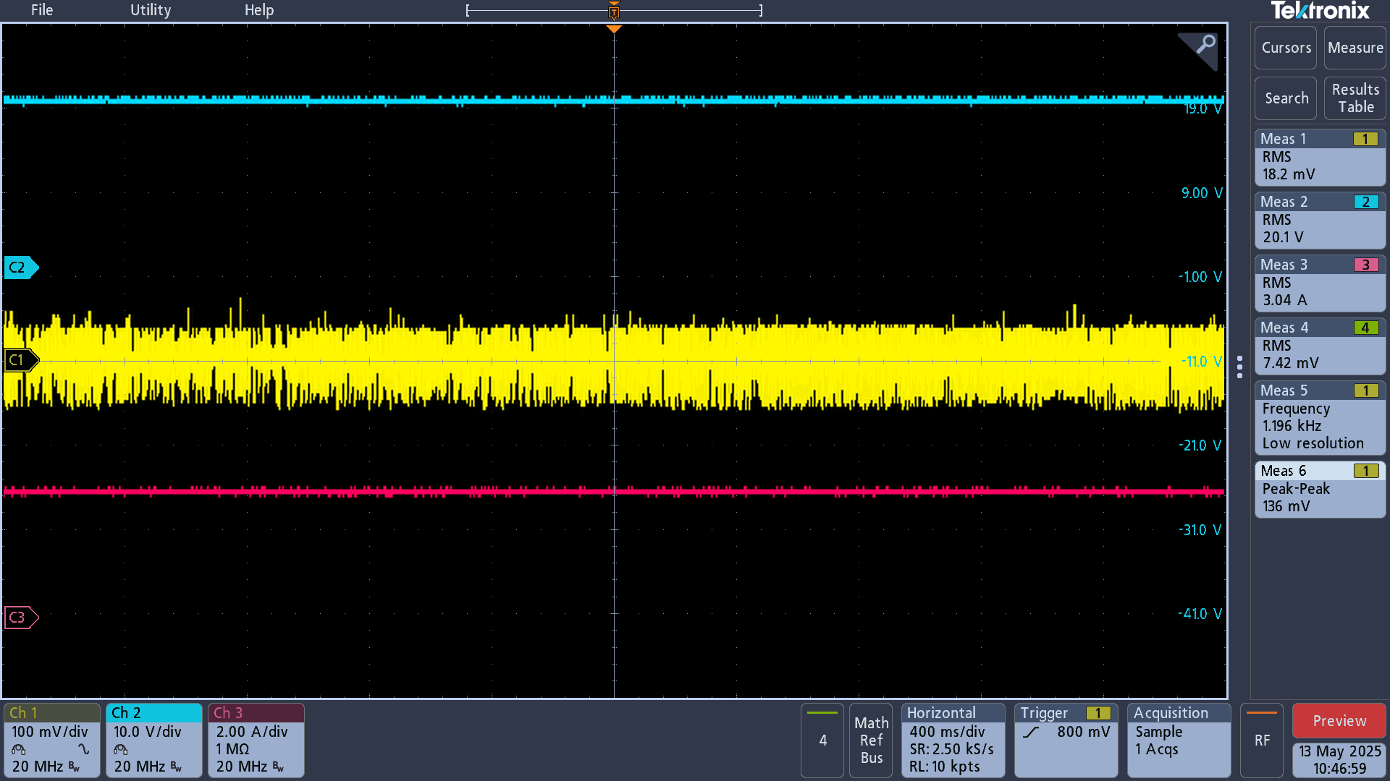
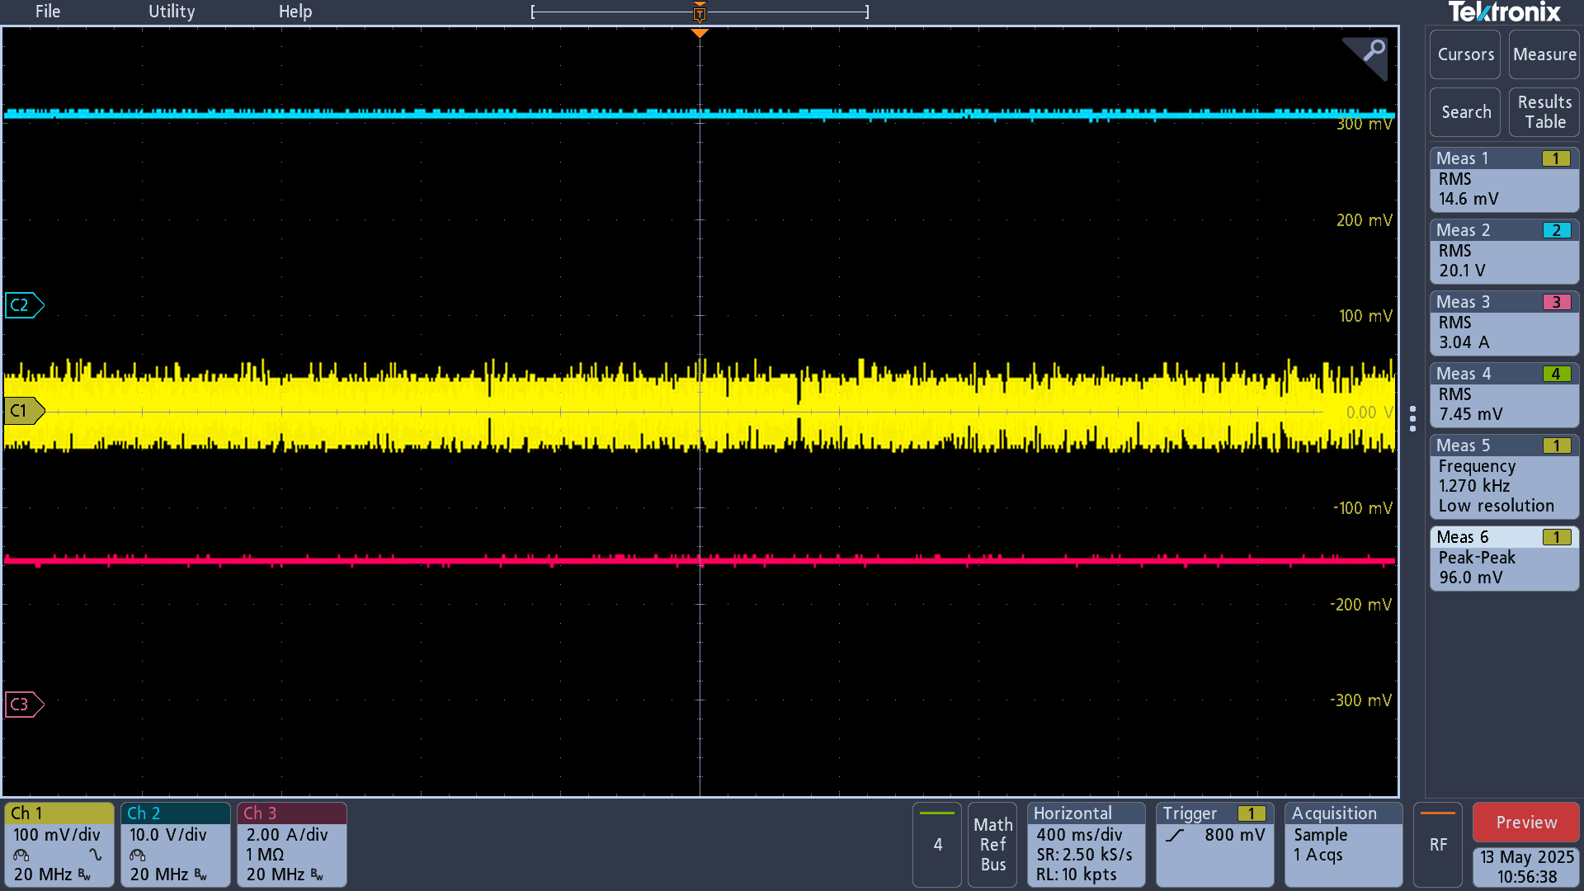
22U/35V/08/X5 *10 + 330uF/35V = 550uF | 22U/35V/08/X5 *10 + 330uF/35V = 550uF | 22U/35V/08/X5 *10 + 330uF/35V = 550uF
3.5A load: 220mV | 3A load: 136mV | 3A load: 96mV
 |  |  | .
Vout
Vout
Vout

Vout Peak-Peak
Vout Peak-Peak
Vout Peak-Peak

Iout
Iout
Iout

7.5A load: 492mV | 7.5A load: 296mV | 7.5A load: 248mV
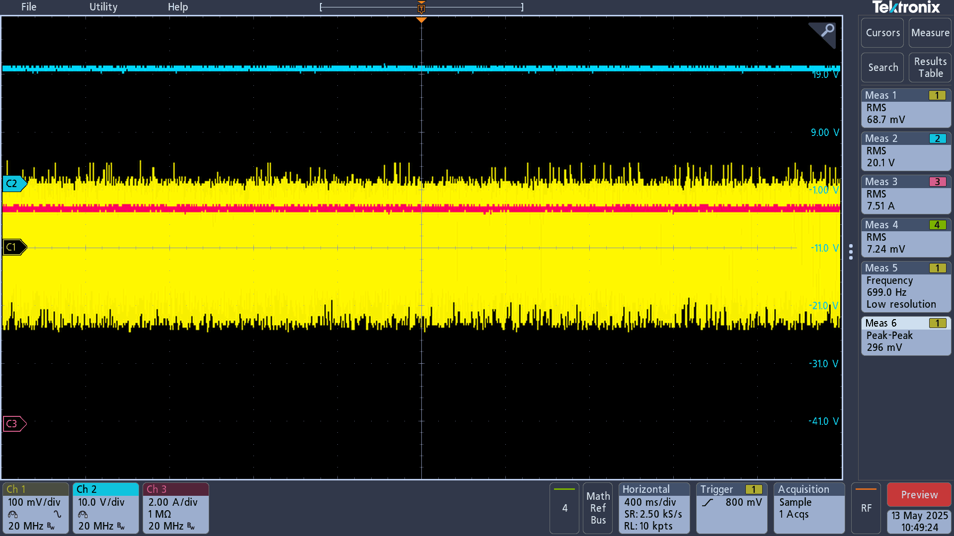
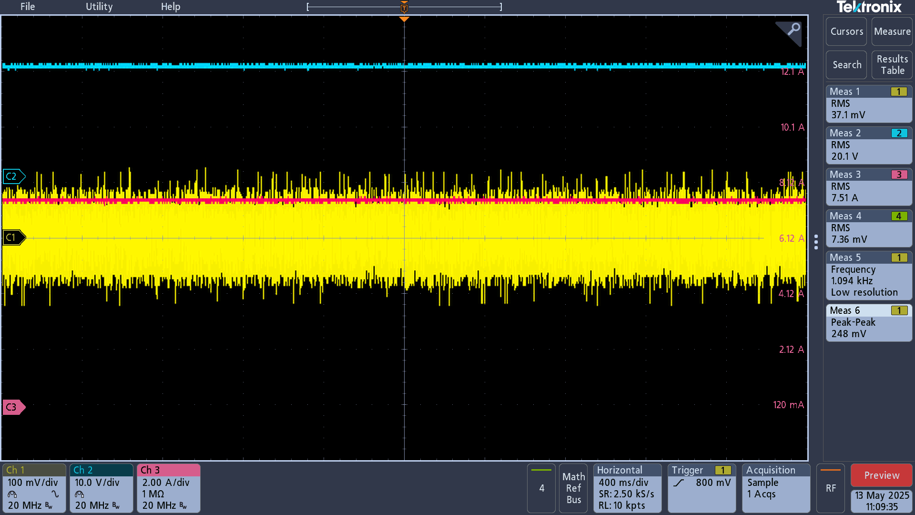
Vout
Vout
Vout

Vout Peak-Peak
Vout Peak-Peak
Vout Peak-Peak

Iout
Iout
Iout

 |  | TPS43060RTER_Vout : 20V
 |  | Frequency : 750Khz
 |  | Vout Cap: 22U/35V/08/X5 *5 + 330uF/35V = 440uF
 |  | Inductor: 4.7UH/17A/TMPA1265SP-4R7MN-D

 |  | TPS43060RTER Vout noise at 3A、7.5A load current level

 |  | 22U/35V/08/X5 *5 + 330uF/35V = 440uF
 |  | 3A load: 172mV
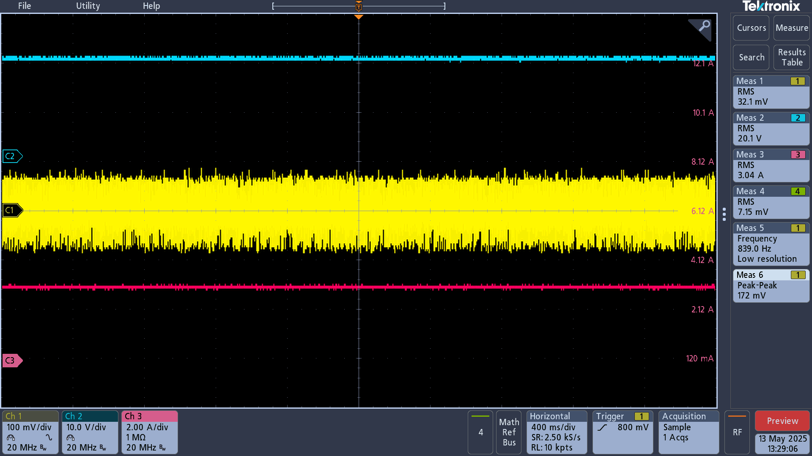
Vout

Vout Peak-Peak

Iout

 |  | 7.5A load: 432mV
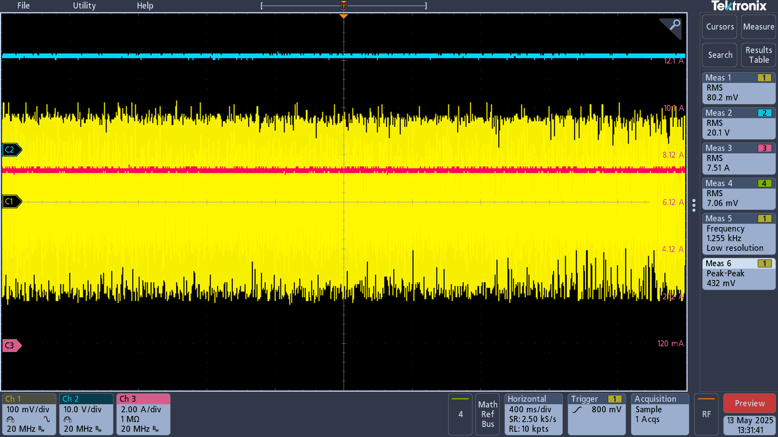
Vout

Vout Peak-Peak

Iout

 |  | TPS43060RTER_Vout : 20V
 |  | Frequency : 750Khz
 |  | Vout Cap: 22U/35V/08/X5 *10 + 330uF/35V + 330uF/35V = 880uF
 |  | Inductor: 4.7UH/17A/TMPA1265SP-4R7MN-D

 |  | TPS43060RTER Vout noise at 3A、7.5A load current level

 |  | 22U/35V/08/X5 *10 + 330uF/35V + 330uF/35V = 880uF
 |  | 3A load: 104mV
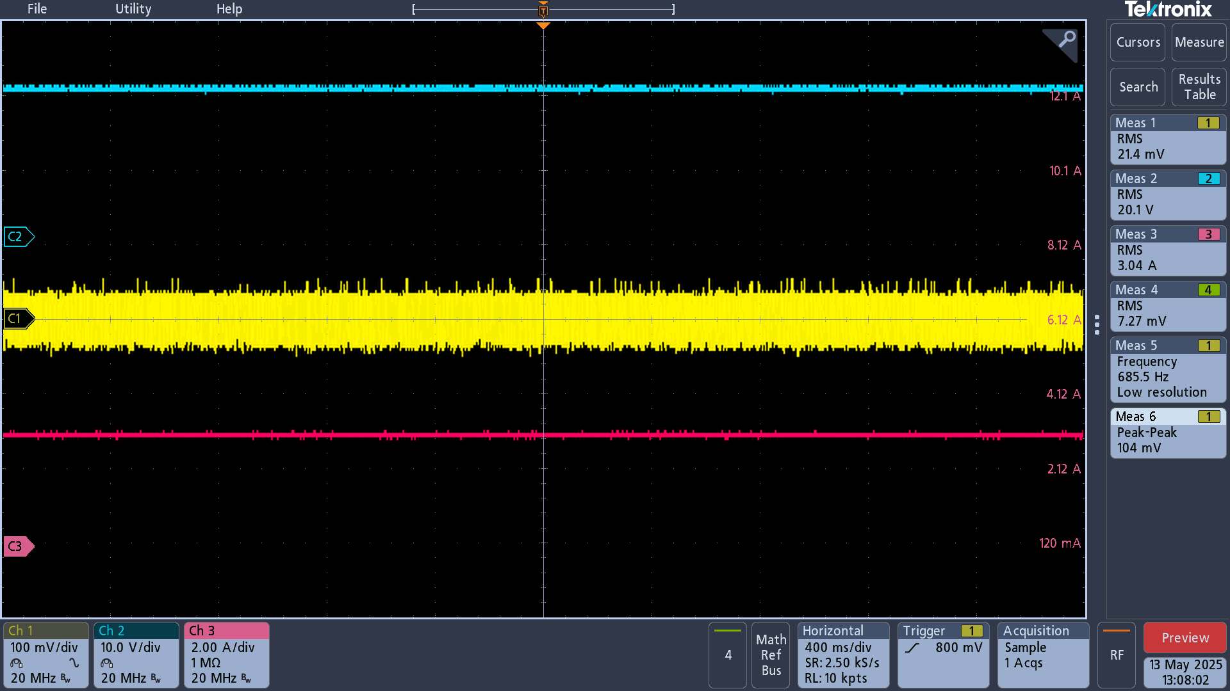
Vout

Vout Peak-Peak

Iout

 |  | 7.5A load: 244mV
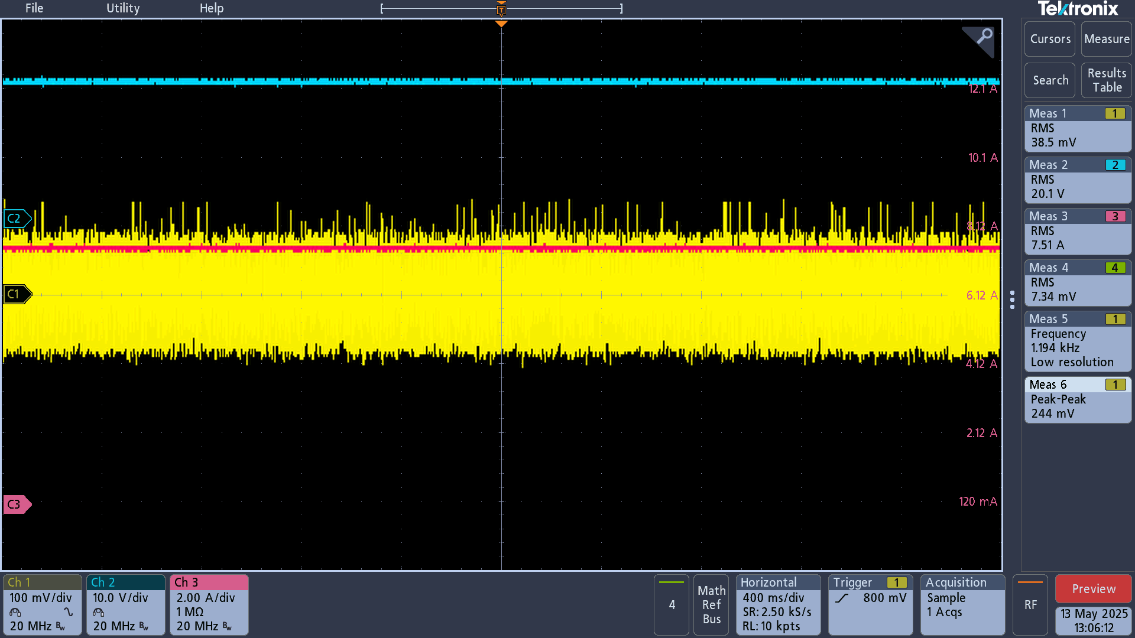
Vout

Vout Peak-Peak

Iout

Vout noise 10uH Inductor
TPS43060RTER_Vout : 20V | TPS43060RTER_Vout : 20V | TPS43060RTER_Vout : 20V
Frequency : 353Khz | Frequency : 500Khz | Frequency : 750Khz
Vout Cap: 22U/35V/08/X5 *5 + 330uF/35V = 440uF | Vout Cap: 22U/35V/08/X5 *5 + 330uF/35V = 440uF | Vout Cap: 22U/35V/08/X5 *5 + 330uF/35V = 440uF
Inductor: 10uH/15A/TMPC1265HPV-100MG-D | Inductor: 10uH/15A/TMPC1265HPV-100MG-D | Inductor: 10uH/15A/TMPC1265HPV-100MG-D

TPS43060RTER Vout noise at 3A、7.5A load current level | TPS43060RTER Vout noise at 3A、7.5A load current level | TPS43060RTER Vout noise at 3A、7.5A load current level

22U/35V/08/X5 *5 + 330uF/35V = 440uF | 22U/35V/08/X5 *5 + 330uF/35V = 440uF | 22U/35V/08/X5 *5 + 330uF/35V = 440uF
3A load: mV | 3A load: 232mV | 3A load: mV

Vout
Vout
Vout

Vout Peak-Peak
Vout Peak-Peak
Vout Peak-Peak

Iout
Iout
Iout

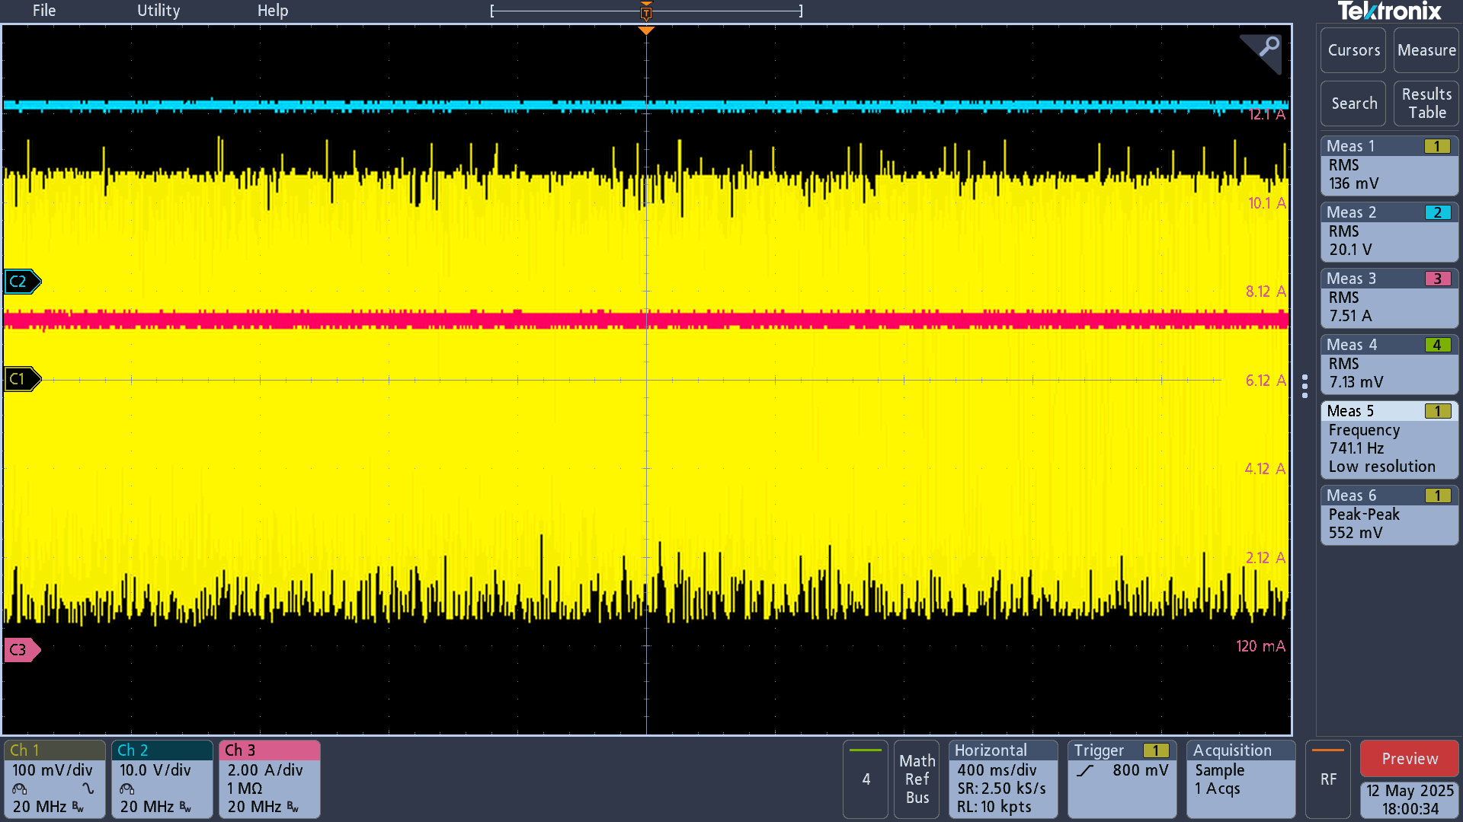
7.5A load: mV | 7.5A load: 552mV | 7.5A load: mV
Vout
Vout
Vout
Vout

Vout Peak-Peak
Vout Peak-Peak
Vout Peak-Peak
Vout Peak-Peak

Iout
Iout
Iout

Iout

 | TPS43060RTER_Vout : 20V
 | Frequency : 500Khz
 | Vout Cap: 22U/35V/08/X5 *5 + 330uF/35V = 440uF
 | Inductor: 10uH/15A/TMPC1265HPV-100MG-D

 | TPS43060RTER Vout noise at 3A、7.5A load current level

 | 22U/35V/08/X5 *5 + 330uF/35V + 330uF/35V = 770uF
 | 7.5A load: 420mV
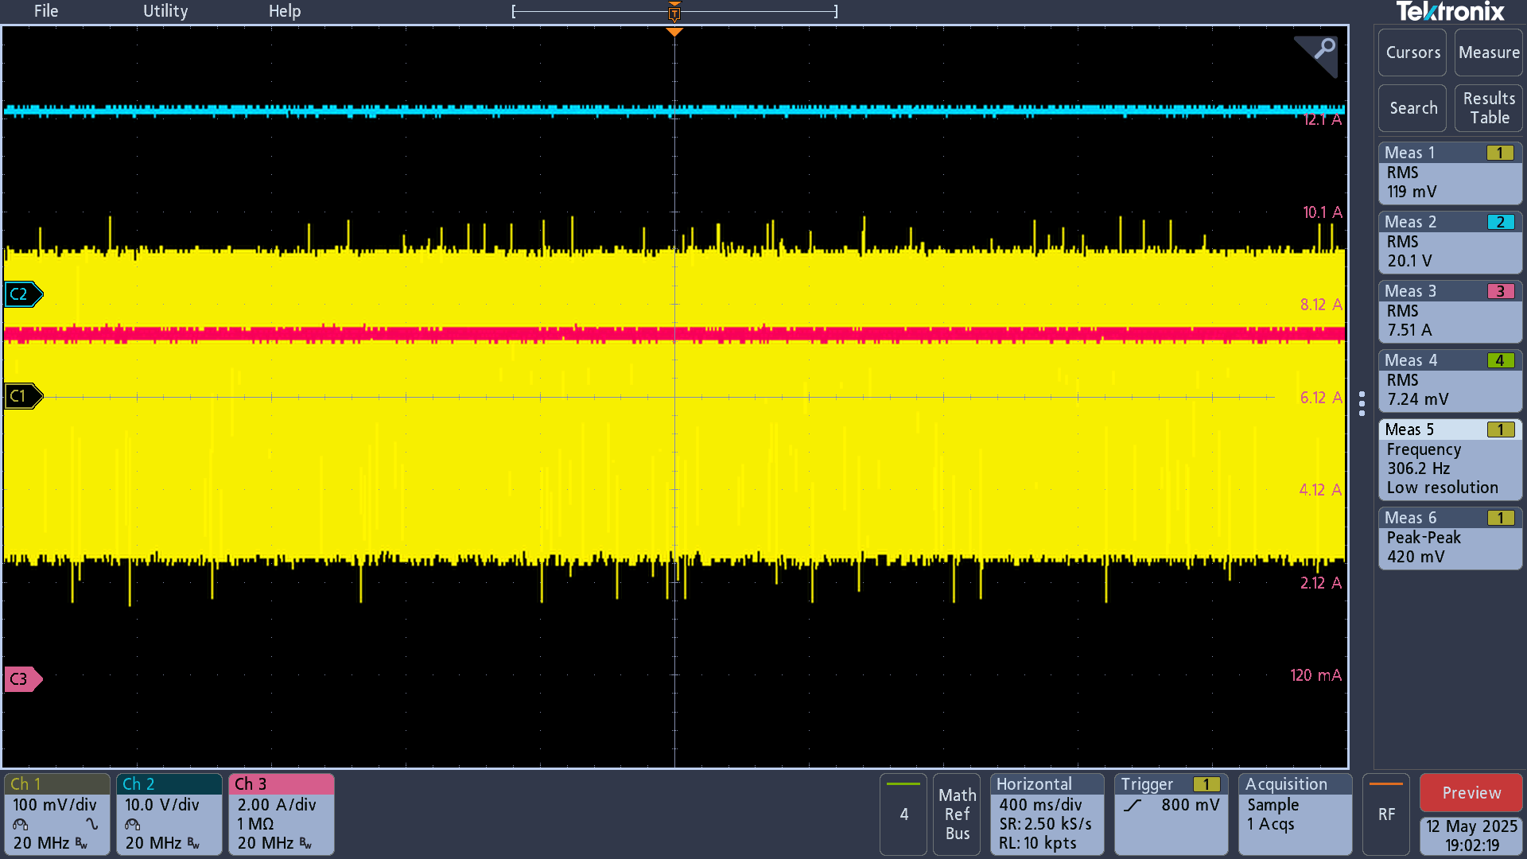
Vout

Vout Peak-Peak

Iout

Vout noise 500Khz fsw
TPS43060RTER_Vout : 20V
Frequency : 502.6Khz
Vout Cap: 22U/35V/08/X5 *5 + 330uF/35V = 440uF
Inductor: 4.7UH/17A/TMPA1265SP-4R7MN-D

TPS43060RTER Vout noise at 3A、7.5A load current level

22U/35V/08/X5 *5 + 330uF/35V = 440uF
3A load: 224mV
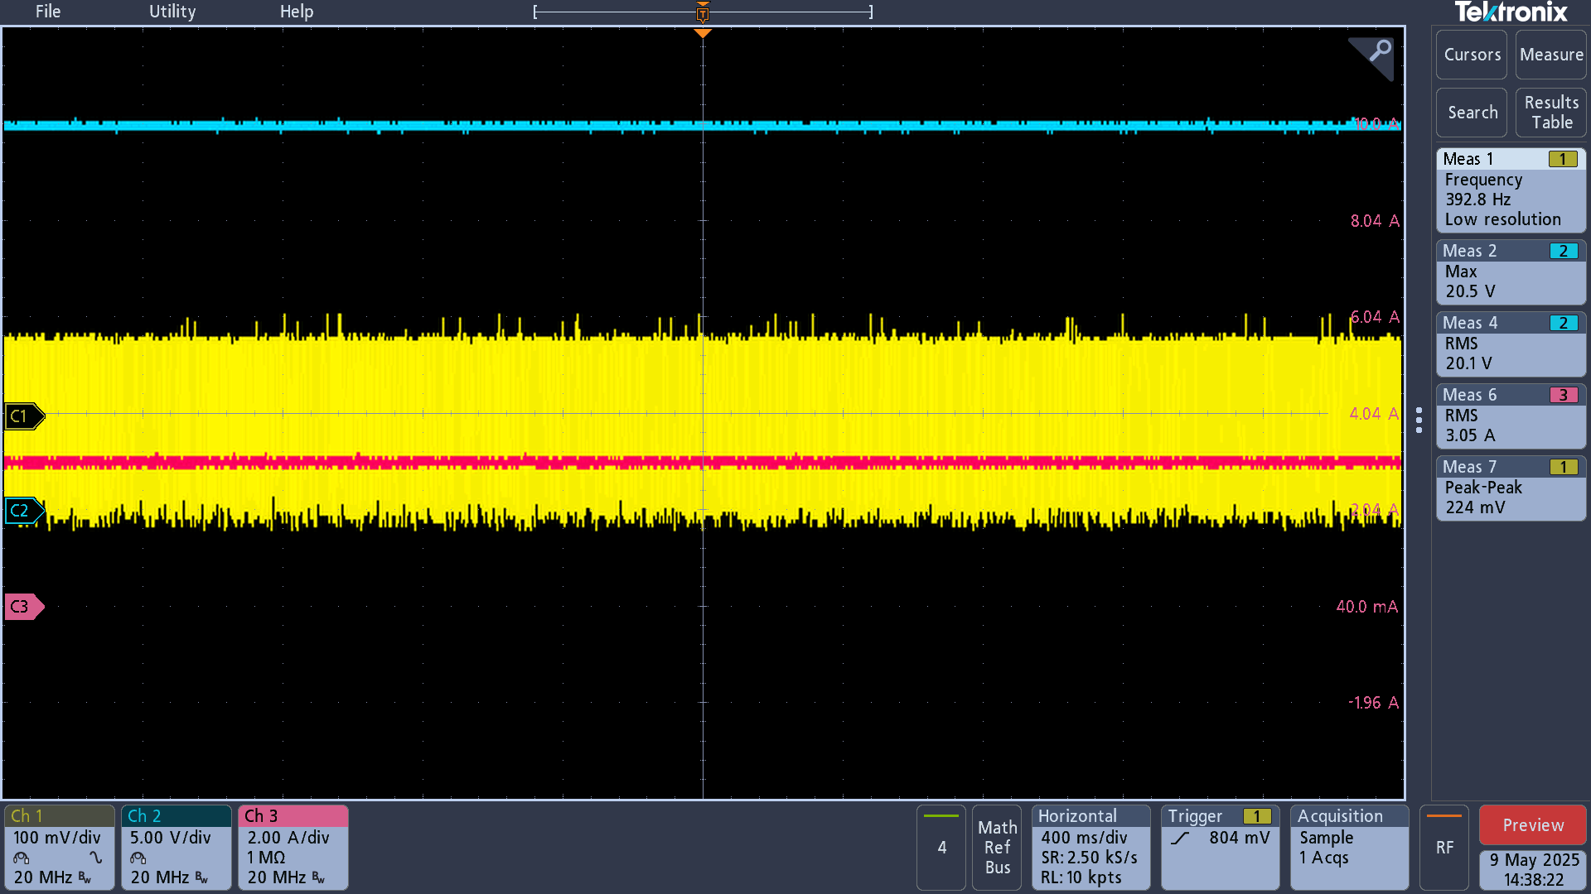
Vout

Vout Peak-Peak

Iout

7.5A load: 552mV
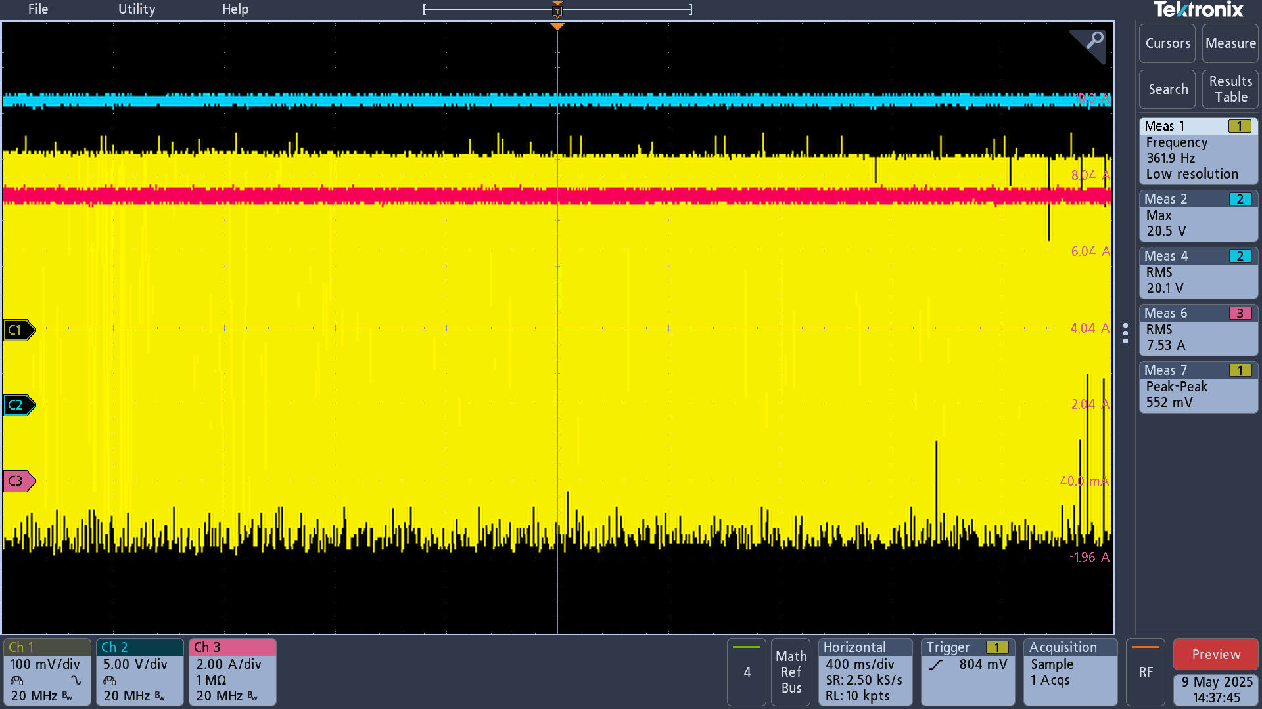
Vout

Vout Peak-Peak

Iout

330uf spec

