Solo_EQ2moreBass_05162017
 | Base File= | Como_Solo_05_16_17_TomPeterApproved

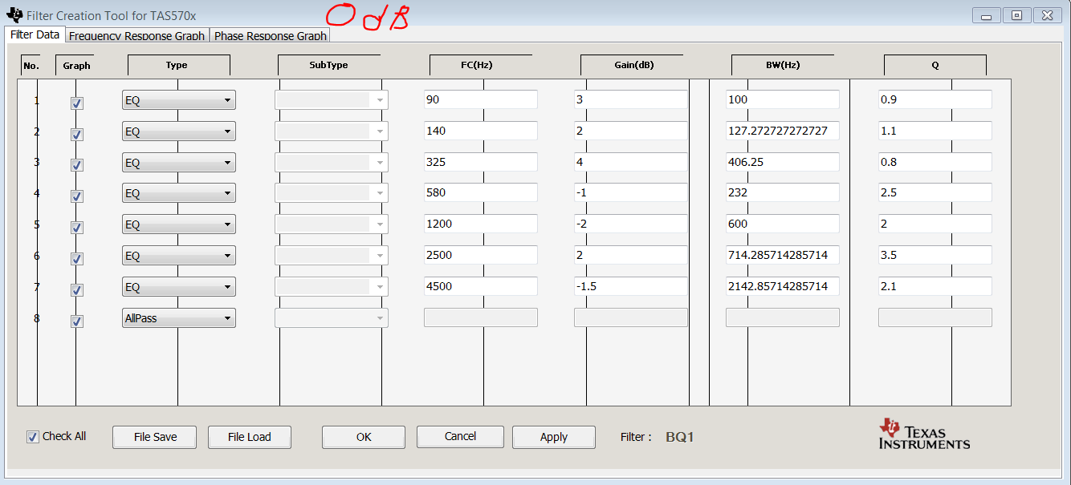

 | New settings with Bass/Treble:

 | ??Master Volume control - can max be set at 15 dB (0x07 =12) [Need to verify with Frontier] |  |  | Loudness Effect

 | X09 24 - Channel 2 Volume (+ 6.00 dB); this is Max Volume for each Channel |  |  |  | Volume Steps | Bass | Set Eq to this | Treble | Set Eq to this
 | X08 24 – Channel 1 Volume (+ 6.00 dB); this is Max Volume for each Channel |  |  | 32 | 0x22, // 7 dB | 0 |  | 0
 |  |  |  | 31 | 0x23, // 6.5 dB | 0 |  | 0
 | CH 1, BQ4 – Bass settings |  |  | 30 | 0x24, // 6 dB | 0 |  | 0
 |  |  |  | 29 | 0x25, // 5.5 dB | 0 |  | 0
 | Bass | address |  | 28 | 0x26, // 5 dB | 0 |  | 0
 | 7 | X2D 00 84 77 20 0F 12 6C 5A 00 6B AE C4 00 EE 49 C2 0F 90 90 37 |  | 27 | 0x27, // 4.5 dB | 0 |  | 0
 | 6 | X2D 00 83 87 C7 0F 11 6B C3 00 6D 24 04 00 EF 19 CF 0F 8F D9 C7 |  | 26 | 0x28, // 4 dB | 0 |  | 0
 | 5 | X2D 00 82 EF A8 0F 11 DA B9 00 6D 2F FD 00 EE 94 16 0F 90 4F 2A |  | 25 | 0x29, // 3.5 dB | 0 |  | 0
 | 4 | X2D 00 82 57 39 0F 12 45 9C 00 6D 40 42 00 EE 12 6D 0F 90 C0 8D |  | 24 | 0x2A, // 3 dB | 0 |  | 0
 | 3 | X2D 00 81 BF F8 0F 12 B4 9C 00 6D 4C E7 00 ED 8D 07 0F 91 34 C3 |  | 23 | 0x2B, // 2.5 dB | 0 |  | 0
 | 2 | X2D 00 81 29 C5 0F 13 27 C2 00 6D 55 EC 00 ED 03 CA 0F 91 AB DB |  | 22 | 0x2C, // 2 dB | 0 |  | 0
 | 1 | X2D 00 80 94 7C 0F 13 9F 17 00 6D 5B 52 00 EC 76 9A 0F 92 25 E2 |  | 21 | 0x2E, // 1 dB | 0 |  | 0
 | 0 | X2D 00 7F C4 4D 0F 05 03 8D 00 7B F1 C6 00 FA FC 73 0F 84 49 ED |  | 20 | 0x30, // 0 dB | 0 |  | 0
 | -1 | X2D 00 7F 6C 2E 0F 14 9A 79 00 6D 5B 42 00 EB 4F EF 0F 93 22 F8 |  | 19 | 0x32, // -1 dB | 0 |  | 0
 | -2 | X2D 00 7E D8 E9 0F 15 1E 9E 00 6D 55 CC 00 EA B6 3A 0F 93 A6 23 |  | 18 | 0x34, // -2 dB | 0 |  | 0
 | -3 | 2D 00 7E 46 11 0F 15 A7 23 00 6D 4C B6 00 EA 18 1D 0F 94 2C 77 |  | 17 | 0x37, // -3.5 dB | 0 |  | 0
 | -4 | X2D 00 7D B3 89 0F 16 34 14 00 6D 40 01 00 E9 75 78 0F 94 B6 02 |  | 16 | 0x3A, // -5 dB | 0 |  | 0
 | -5 | X2D 00 7C D8 10 0F 17 0F EC 00 6D 26 20 00 E8 78 BD 0F 95 8A 78 |  | 15 | 0x3E, // -7 dB | 0 | X2D 00 80 94 7C 0F 13 9F 17 00 6D 5B 52 00 EC 76 9A 0F 92 25 E2 | 0
 | -6 | X2D 00 7B AF 68 0F 19 BE 95 00 6B AE 20 00 E5 91 72 0F 97 F2 7F |  | 14 | 0x42, // -9 dB | 0 | X2D 00 80 94 7C 0F 13 9F 17 00 6D 5B 52 00 EC 76 9A 0F 92 25 E2 | 0
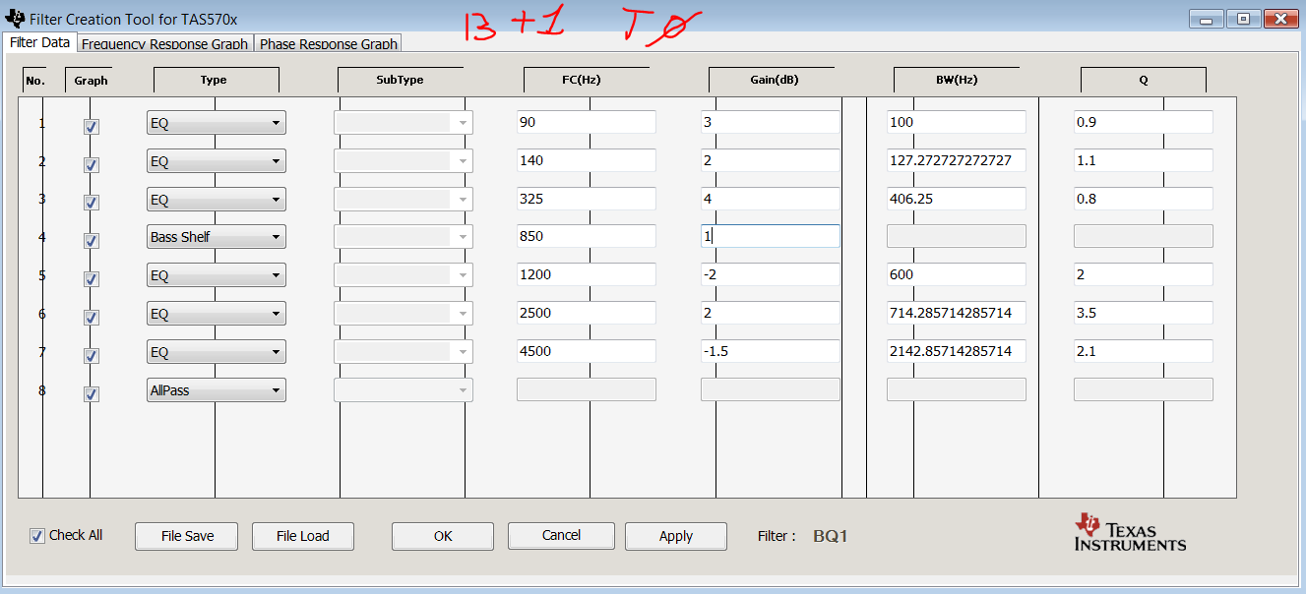
 | -7 | X2D 00 79 D1 75 0F 1E 2A 42 00 69 3B 4F 00 E0 BA F7 0F 9B D8 74 |  | 13 | 0x48, // -12 dB | 0 | X2D 00 80 94 7C 0F 13 9F 17 00 6D 5B 52 00 EC 76 9A 0F 92 25 E2 | 0
 |  |  |  | 12 | 0x4E, // -15 dB | 1 | X2D 00 80 94 7C 0F 13 9F 17 00 6D 5B 52 00 EC 76 9A 0F 92 25 E2 | 0
 |  |  |  | 11 | 0x54, // -18 dB | 1 | X2D 00 80 94 7C 0F 13 9F 17 00 6D 5B 52 00 EC 76 9A 0F 92 25 E2 | 0
 |  |  |  | 10 | 0x5A, // -21 dB | 1 | X2D 00 80 94 7C 0F 13 9F 17 00 6D 5B 52 00 EC 76 9A 0F 92 25 E2 | 0
 |  |  |  | 9 | 0x60, // -24 dB | 1 | X2D 00 80 94 7C 0F 13 9F 17 00 6D 5B 52 00 EC 76 9A 0F 92 25 E2 | 0
 |  |  |  | 8 | 0x66, // -27 dB | 2 | X2D 00 81 29 C5 0F 13 27 C2 00 6D 55 EC 00 ED 03 CA 0F 91 AB DB | 1 | X59 00 8E 7B 1D 0F 09 4B 90 00 6C C8 C7 00 DB A0 C1 0F 9F CF CB
 | CH 1, BQ8 – Treble Settings |  |  | 7 | 0x6C, // -30 dB | 2 | X2D 00 81 29 C5 0F 13 27 C2 00 6D 55 EC 00 ED 03 CA 0F 91 AB DB | 1 | X59 00 8E 7B 1D 0F 09 4B 90 00 6C C8 C7 00 DB A0 C1 0F 9F CF CB
 |  |  |  | 6 | 0x74, // -34 dB | 2 | X2D 00 81 29 C5 0F 13 27 C2 00 6D 55 EC 00 ED 03 CA 0F 91 AB DB | 1 | X59 00 8E 7B 1D 0F 09 4B 90 00 6C C8 C7 00 DB A0 C1 0F 9F CF CB
 | treble | address |  | 5 | 0x7C, // -38 dB | 2 | X2D 00 81 29 C5 0F 13 27 C2 00 6D 55 EC 00 ED 03 CA 0F 91 AB DB | 1 | X59 00 8E 7B 1D 0F 09 4B 90 00 6C C8 C7 00 DB A0 C1 0F 9F CF CB
 | 7 | X59 01 10 04 DA 0E 19 31 D6 00 DC 42 4E 00 D7 EF 13 0F A2 97 ED |  | 4 | 0x86, // -43 dB | 2 | X2D 00 81 29 C5 0F 13 27 C2 00 6D 55 EC 00 ED 03 CA 0F 91 AB DB | 1 | X59 00 8E 7B 1D 0F 09 4B 90 00 6C C8 C7 00 DB A0 C1 0F 9F CF CB
 | 6 | X59 00 F3 6C 05 0E 51 F6 BE 00 C0 95 3E 00 D6 0A 3C 0F A3 FD C2 |  | 3 | 0x90, // -48 dB | 2 | X2D 00 81 29 C5 0F 13 27 C2 00 6D 55 EC 00 ED 03 CA 0F 91 AB DB | 2 | X59 00 9E 99 60 0E EC 32 23 00 7A 04 00 00 DA 95 96 0F A0 9A E7
 | 5 | X59 00 DA B8 81 0E 7E FB 52 00 AB F0 AE 00 D7 46 E4 0F A3 14 9A |  | 2 | 0x9C, // -54 dB | 2 | X2D 00 81 29 C5 0F 13 27 C2 00 6D 55 EC 00 ED 03 CA 0F 91 AB DB | 2 | X59 00 9E 99 60 0E EC 32 23 00 7A 04 00 00 DA 95 96 0F A0 9A E7
 | 4 | X59 00 C4 80 DF 0E A7 72 F8 00 99 66 08 00 D8 68 D8 0F A2 3D 4A |  | 1 | 0xA8, // -60 dB | 2 | X2D 00 81 29 C5 0F 13 27 C2 00 6D 55 EC 00 ED 03 CA 0F 91 AB DB | 2 | X59 00 9E 99 60 0E EC 32 23 00 7A 04 00 00 DA 95 96 0F A0 9A E7
 | 3 | X59 00 B0 89 DC 0E CB B5 BA 00 88 D3 58 00 D9 83 03 0F A1 6A 0F |  | 0 | 0xff, // Mute
 | 2 | X59 00 9E 99 60 0E EC 32 23 00 7A 04 00 00 DA 95 96 0F A0 9A E7
 | 1 | X59 00 8E 7B 1D 0F 09 4B 90 00 6C C8 C7 00 DB A0 C1 0F 9F CF CB
 | 0 | X59 00 80 00 00 0F 23 5B 4E 00 60 F7 4C 00 DC A4 B2 0F 9F 08 B4
 | -1 | X59 00 72 FD A7 0F 3A B1 99 00 56 69 8C 00 DD A1 97 0F 9E 45 9C
 | -2 | X59 00 67 4D F2 0F 4F 96 85 00 4C FD 72 00 DE 97 9C 0F 9D 86 7B
 | -3 | X59 00 5C CE 93 0F 62 4A CC 00 44 94 6B 00 DF 86 EE 0F 9C CB 47
 | -4 | X59 00 53 60 B0 0F 73 08 8C 00 3D 13 15 00 E0 6F B7 0F 9C 13 F8
 | -5 | X59 00 4A E8 87 0F 82 03 F1 00 36 60 E3 00 E1 52 23 0F 9B 60 82
 | -6 | X59 00 43 4E 97 0F 8F 73 3A 00 30 61 AA 00 E2 20 E1 0F 9A BB A4
 | -7 | X59 00 3C 3B 28 0F 9A 64 22 00 2B F3 F5 00 E5 11 A2 0F 98 5B 1E

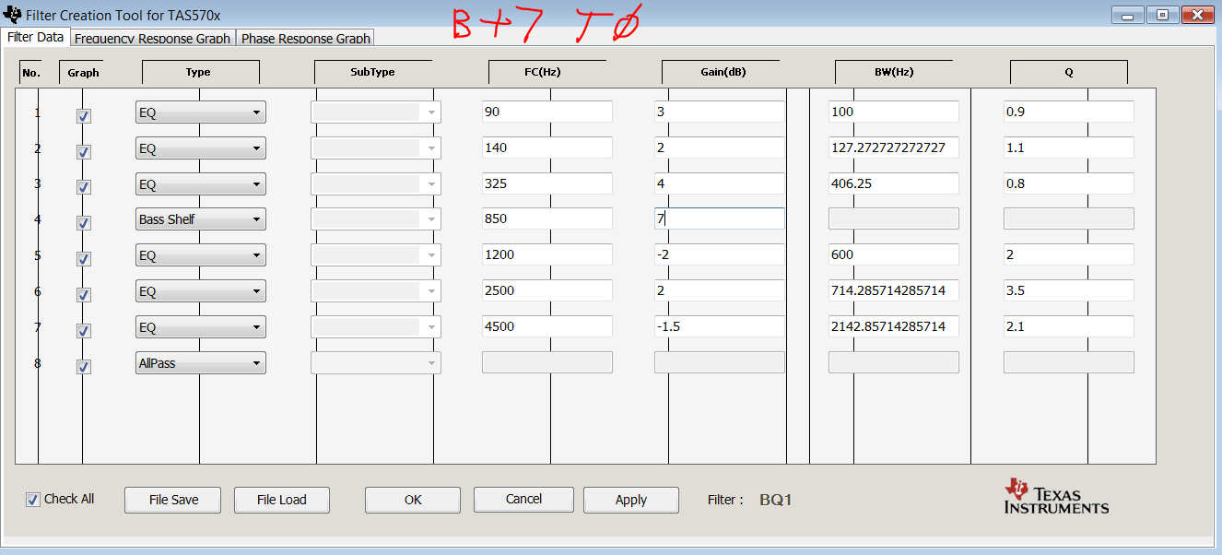
 | Stereo settings: (Same for Left Spkr switch position)
 | Bass and Treble are the same as above.

 | X09 24 - Channel 2 Volume (+6.00 dB) this is Max Volume for each Channel when in Stereo mode
 | X08 24 – Channel 1 Volume (+ 6.00 dB)

 | X51 00 80 00 00 00 00 00 00 00 00 00 00 |  | [output mixer ch1]
 | X52 00 80 00 00 00 00 00 00 00 00 00 00 |  | [output mixer ch2]

 | X53 00 80 00 00 00 00 00 00 00 00 00 00 00 80 00 00 |  | Input Mixer Ch1
 | X54 00 80 00 00 00 00 00 00 00 00 00 00 00 80 00 00 |  | Input Mixer Ch2
 | X55 00 00 00 00 00 00 00 00 00 00 00 00 |  | No Sum to Mono

 | X2B 00 80 21 08 0F 02 28 55 00 7D C1 8D 00 FD D7 AB 0F 82 1D 6B |  | BQ2 = 140Hz, 1 dB, 1.1Q
 | X2C 00 80 DB CD 0F 06 DB 8E 00 78 82 67 00 F9 24 72 0F 86 A1 CC |  | BQ3 = 325Hz, 2dB, 0.8Q

 | Stereo settings- RIGHT Spkr switch position

 | X53 00 00 00 00 00 80 00 00 00 00 00 00 00 80 00 00
 | X54 00 80 00 00 00 00 00 00 00 00 00 00 00 80 00 00
 | X55 00 00 00 00 00 00 00 00 00 80 00 00

EQ2 Changes - May 16, 2017

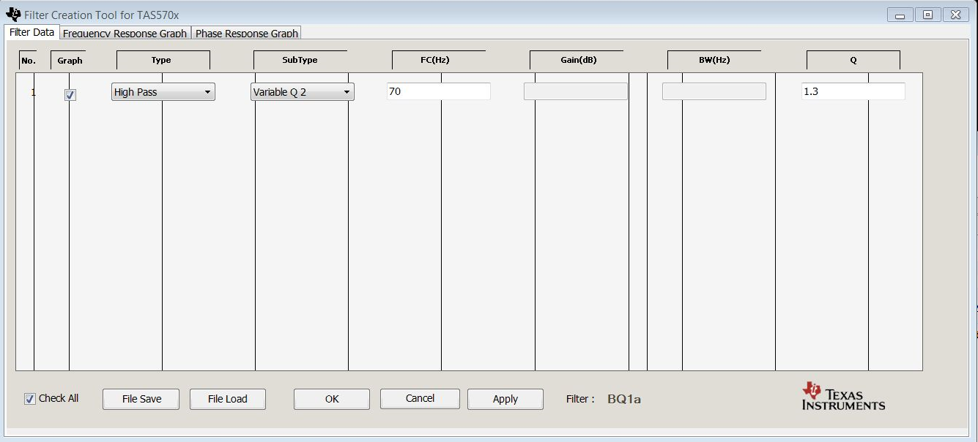

 |  | Base I2C Config file = Como_Solo_07_11_16
 |  | ! I2C Configuration file for 0711EQ
 |  | X1B 00
 |  | X06 00
 |  | X0A 30
 |  | X09 24 | Vol Ch 1
 |  | X08 24 | Vol ch 2
 |  | X14 54
 |  | X13 AC
 |  | X12 54
 |  | X11 AC
 |  | X0E 91
 |  | X20 00 01 77 72
 |  | X10 02
 |  | X0B 00
 |  | X10 02
 |  | X1C 02
 |  | X19 30
 |  | X25 01 02 13 45
 |  | ! Biquads (As set for EQ2 05162017)
 |  | X50 00 00 00 10
 | BQ1A | X29 00 7F 8C 3D 0F 00 E7 86 00 7F 8C 3D 00 FF 17 1B 0F 80 E6 27 |  | High Pass = 70 Hz, Q=1.3 (+~3dB) | High Pass = 70 Hz, Q=1.3 (+~3dB)
 | BQ1-1 | X2A 00 80 A5 D4 0F 01 AE AB 00 7D B0 04 00 FE 51 55 0F 81 AA 27 |  | Peak=90Hz, +5dB, Q=0.9 (+2dB) | Peak=90Hz, +5dB, Q=0.9 (+2dB)
 | BQ1-2 | X2B 00 80 6F AD 0F 02 28 55 00 7D 72 E8 00 FD D7 AB 0F 82 1D 6B |  | Peak = 140 Hz, +3dB, Q = 1.1 (+1dB) | Peak = 140 Hz, +3dB, Q = 1.1 (+1dB)
 | BQ1-3 | X2C 00 81 F0 83 0F 06 DB 8E 00 77 6D B1 00 F9 24 72 0F 86 A1 CC
 | BQ1-4 | X2D 00 7F C4 4D 0F 05 03 8D 00 7B F1 C6 00 FA FC 73 0F 84 49 ED
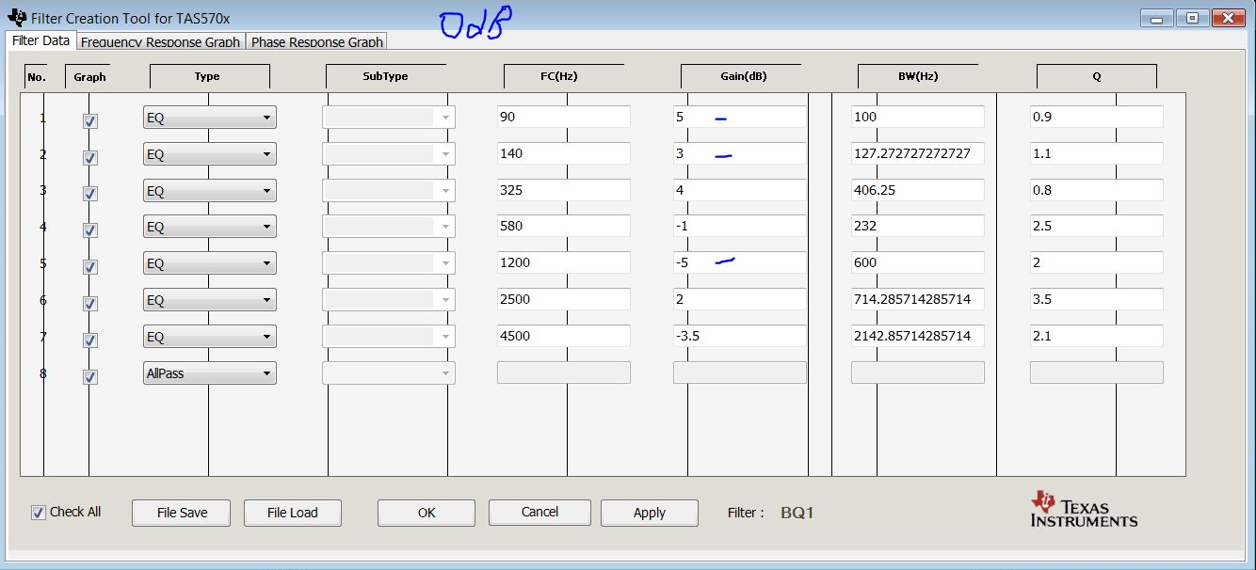
 | BQ1-5 | X2E 00 7C 57 6F 0F 13 AA 0E 00 72 F0 AC 00 EC 55 F2 0F 90 B7 E4 |  | Peak = 1200Hz, -5dB, Q=2.0 (+1dB) | Peak = 1200Hz, -5dB, Q=2.0 (+1dB)
 | BQ1-6 | X2F 00 81 7B 32 0F 18 6B 8D 00 73 13 CC 00 E7 94 73 0F 8B 71 02
 | BQ1-7 | X58 00 78 98 B9 0F 50 43 D1 00 5A C2 1B 00 AF BC 2F 0F AC A5 2C |  | Peak = 4500Hz, -3.5dB, Q=2.1 (-2.0dB) | Peak = 4500Hz, -3.5dB, Q=2.1 (-2.0dB)
 | BQ1-8 | X59 00 80 00 00 00 00 00 00 00 00 00 00 00 00 00 00 00 00 00 00
 |  | X5A 00 7F 55 51 0F 80 AA AF 00 00 00 00 00 7E AA A3 00 00 00 00
 |  | X5B 00 01 7D 8F 00 01 7D 8F 00 00 00 00 00 7D 04 E0 00 00 00 00

 |  | ! DRCs (As set for EQ2 05162017)
 |  | X3A 00 01 53 8F 00 7E AC 70
 |  | X3B 00 00 88 3F 00 7F 77 C0
 |  | X3C 00 00 00 AD 00 7F FF 51
 |  | X40 FC 6D CE 2E |  | Redueced DCR1 threshold by 1 dB to -19.0 dB
 |  | X41 0F 99 99 9B
 |  | X42 00 0E AF 65
 |  | X46 00 00 00 03
 |  | X39 00 00 00 00 00 00 00 00
 |  | X3D 00 02 A3 99 00 7D 5C 65
 |  | X3E 00 02 A3 99 00 7D 5C 65
 |  | X3F 00 00 00 57 00 7F FF A8
 |  | X43 FC 98 53 7A |  | Redueced DCR2 threshold by 3.5 dB to -17.0 dB
 |  | X44 0F 92 49 25
 |  | X45 00 10 7A 1C
 |  | X46 00 00 00 03
 |  | X52 00 80 00 00 00 00 00 00 00 00 00 00
 |  | X60 00 00 00 00 00 80 00 00
 |  | X53 00 00 00 00 00 80 00 00 00 00 00 00 00 80 00 00 | Input Mix Ch 1 to Sum input
 |  | X54 00 00 00 00 00 80 00 00 00 00 00 00 00 80 00 00 | Input Mix Ch 2 to Sum input
 |  | X56 00 80 00 00
 |  | X57 00 02 00 00
 |  | X51 00 80 00 00 00 00 00 00 00 00 00 00
 |  | X55 00 00 00 00 00 40 00 00 00 40 00 00 | Sum L/R to Mono
 |  | X52 00 80 00 00 00 00 00 00 00 00 00 00
 |  | X07 FF
 |  | X05 00

