Differential AC coupled Calc
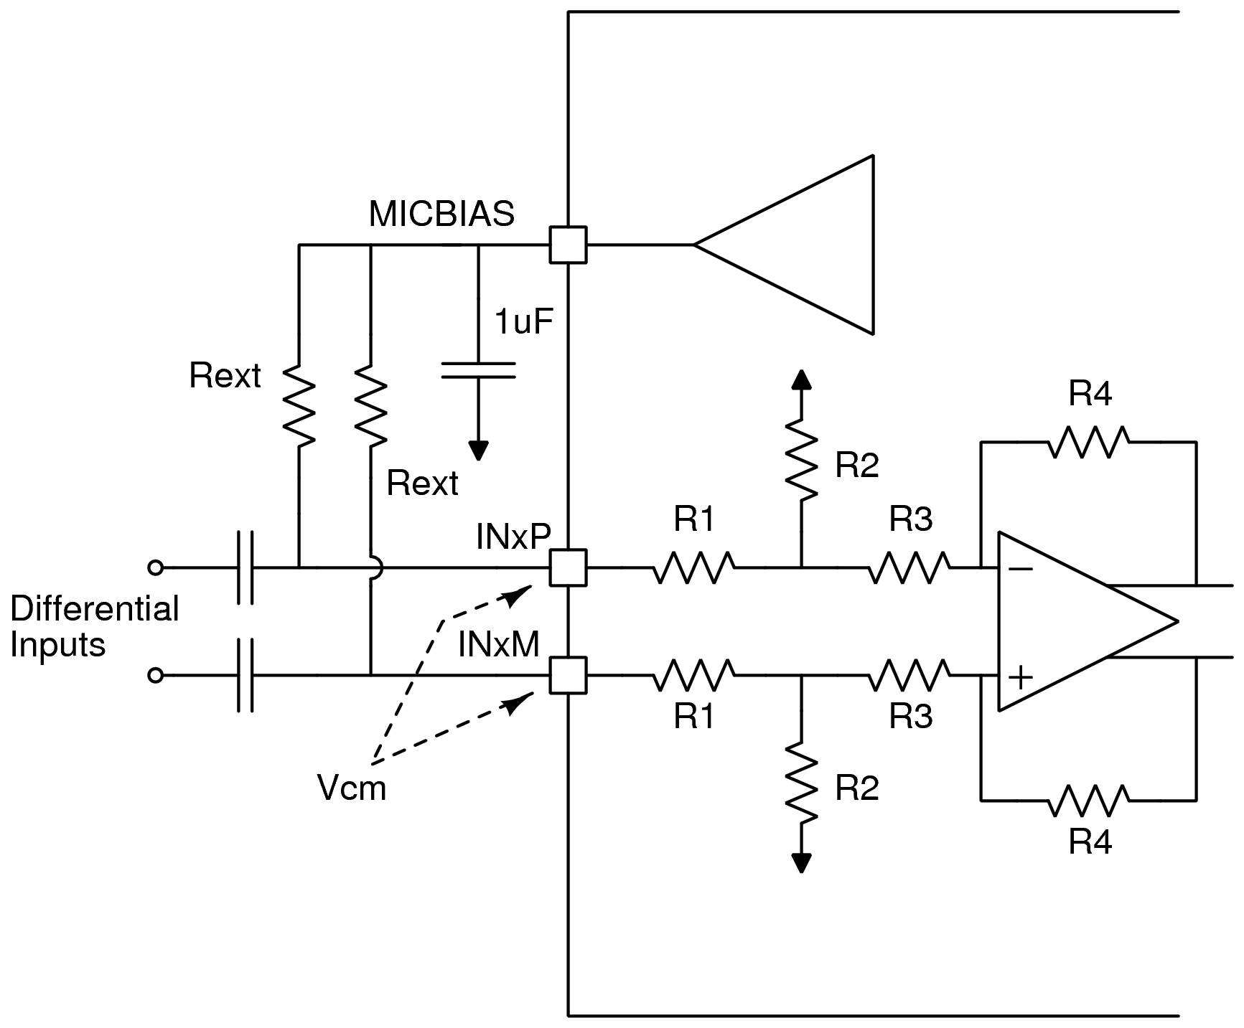
Parameter | Value

Max Differential input (Vrms) | 4
Programmed MICBIAS voltage (V) | 8

Max Rext allowed (Ohms) | 40550.0

Use this section to compute the max Rext allowed for a given differential input voltage and programmed MICBIAS value

Parameter | Value

Rext standard value chosen (Ohms) | 36500

Looking in effective input impedance (Ohms) | 12920.4
Vcm (in V) | 3.7

Use this section to compute the Vcm voltage that can be observed at INxx and the effective looking in impedance for a chosen Rext value (Please note that the chosen Rext with tolerance should always be lower than the max Rext value specified earlier)

Note: Cells in blue are input, Cells in orange are output

Single-ended AC coupled Calc
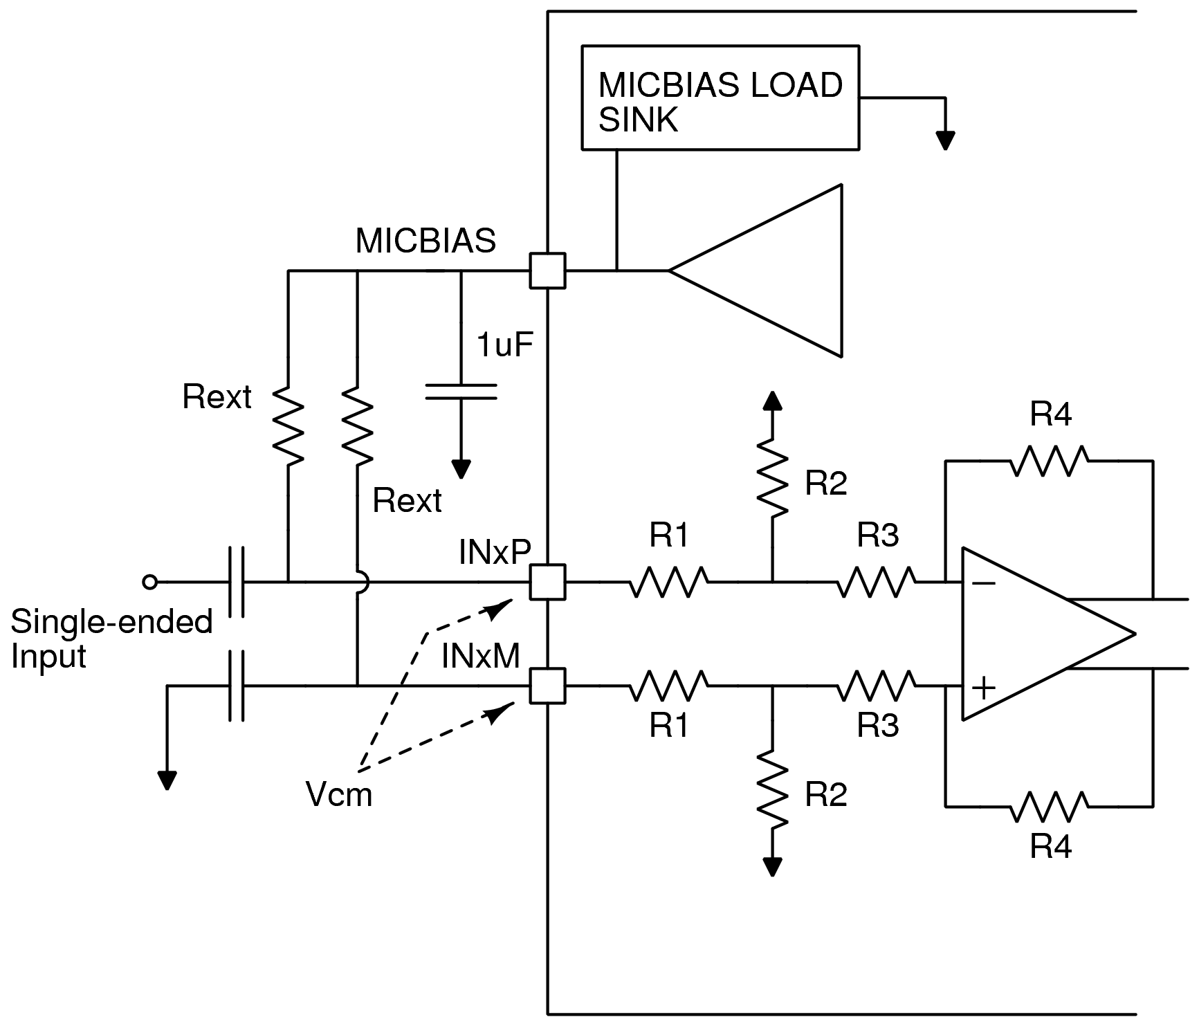
Parameter | Value

Max Single-ended input (Vrms) | 3
Programmed MICBIAS voltage (V) | 8

Max Rext allowed (Ohms) | 17822.1

Use this section to compute the max Rext allowed for a given differential input voltage and programmed MICBIAS value

Parameter | Value

Rext standard value chosen (Ohms) | 15400
No. of single-ended channels | 4

Looking in effective input impedance (Ohms) | 8700.6
Vcm (in V) | 5.1
MICBIAS LOAD SINK setting to be used (in mA) | 0.7

Use this section to compute the Vcm voltage that can be observed at INxx and the effective looking in impedance for a chosen Rext value (Please note that the chosen Rext with tolerance should always be lower than the max Rext value specified earlier). Also depending on the number of single-ended channels used the MICBIAS internal load sink current setting (supported in RevB0 silicon) has to be apprpriately programmed to support higher input single-ended signal swing.

Note: Cells in blue are input, Cells in orange are output

