CSI-2 Imager
Texas Instruments Imager-Serializer Data Rate Calculator For CSI-2

 | Imager Resolution |  |  | MIPI CSI-2 Interface Case | MIPI CSI-2 Payload Rate
 | Hres | 1,920 | pixels |  | Total | 2.488 | in Gbps
 | Vres | 1,080 | pixels |  |  | 2,488 | in Mbps
 | Resolution | 2.07 | MP |  | CSI-2 Lane Rate*
 |  |  |  |  | 4 Lanes | 622 | Mbps/lane
 | Frame Rate Data Type |  |  |  | 2 Lanes | 1,244 | Mbps/lane
 | Frame Rate | 60 | Hz |  | 1 Lane | 2,488 | Mbps/lane
 | Data Type | YUV422 8-bit |  |  | *Consult Serializer datasheet for maximum per-lane speeds
 | CSI-2 Code and BPP
 | CSI-2 Code | 0x1E
 | Bits Per Pixel | 16 | bpp

 | Overhead (Blanking/Coding)*
 | Overhead | 25%
 | *Includes pixel/line blanking, plus CSI-2 protocol overhead. Estimate ~10-25% if unknown

Serializer Selection (based on your imager configuration*):

 | 935 |  | 953 |  | 'My Design'
0 | 2.528 | 0 | 3.328 | 2.07 | 2.48832
1 | 2.528 | 1 | 3.328
2 | 2.528 | 2 | 3.328
3 | 2.528 | 3 | 3.328
4 | 2.528 | 4 | 3.328
5 | 2.528 | 5 | 3.328
6 | 2.528 | 6 | 3.328
7 | 2.528 | 7 | 3.328
8 | 2.528 | 8 | 3.328

* Serializers with video payload rates above your imager configuration data point are good candidates for your design.
* Information in this document are not guaranteed and are subject to change. Please consult datasheets for more information.
* Consult the article "Choosing the Right SerDes for Your ADAS Camera Application" for instructions how to use this calculator tool.
Version v2.0. Copyright 2018 Texas Instruments.
Texas Instruments Confidential -- NDA Restrictions

Parallel DVP (LVCMOS) Imager
Texas Instruments Imager-Serializer Data Rate Calculator

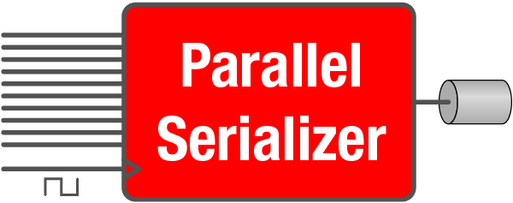
 | Imager Resolution |  |  | Parallel Bus Clock Frequency
 | Hres | 1,280 | pixels | PCLK | 63.6 | MHz
 | Vres | 720 | pixels | FPD-Link Serial Rate
 | Resolution | 0.92 | MP |  | 1.187 | Gbps

 | Frame Rate & Bits
 | Frame Rate | 60 | Hz
 | Video Format | RAW12
 | MODE Strap (Based on Data Type)
 | MODE | RAW12

 | Overhead (Blanking)
 | Overhead | 15%
 | *Estimate ~10-15% if unknown

Serializer Selection (based on your imager configuration*):

 | 933 |  | My Design |  | 913A
0 | 1.87 | 0.92 | 1.187 | 0 | 1.4
1 | 1.87 |  |  | 1 | 1.4
2 | 1.87 |  |  | 2 | 1.4
3 | 1.87 |  |  | 3 | 1.4
4 | 1.87 |  |  | 4 | 1.4
5 | 1.87 |  |  | 5 | 1.4
6 | 1.87 |  |  | 6 | 1.4
7 | 1.87 |  |  | 7 | 1.4
8 | 1.87 |  |  | 8 | 1.4

* Serializers with video payload rates above your imager configuration data point are good candidates for your design.
* Information in this document are not guaranteed and are subject to change. Please consult datasheets for more information.
* Consult the article "Choosing the Right SerDes for Your ADAS Camera Application" for instructions how to use this calculator tool.
Version v2.0. Copyright 2018 Texas Instruments.
Texas Instruments Confidential -- NDA Restrictions

Video Formats
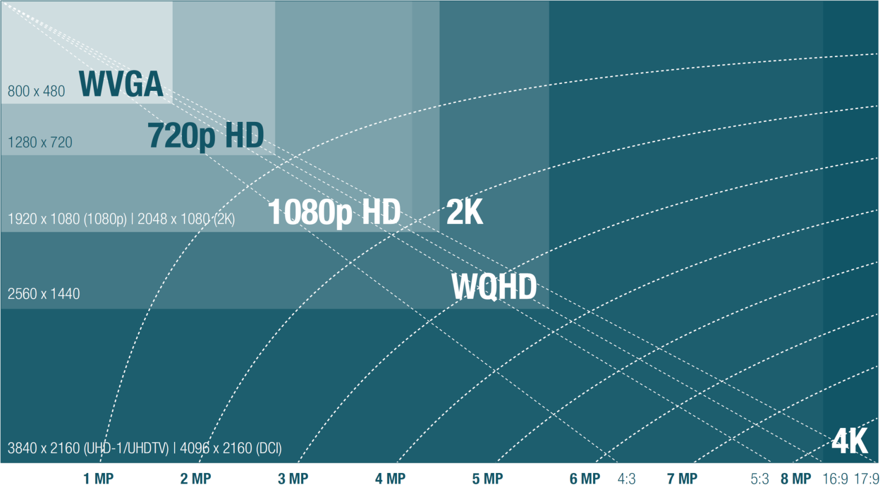
Color Space | Video Format | #Bits/pixel (bpp) | CSI-2 Data Code
YUV | YUV420 8-bit | 16 | 0x18
YUV | YUV420 10-bit | 20 | 0x19
YUV | YUV422 8-bit | 16 | 0x1E
YUV | YUV422 10-bit | 20 | 0x1F
RGB | RGB888 | 24 | 0x24
RGB | RGB666 | 18 | 0x23
RGB | RGB565 | 16 | 0x22
RGB | RGB555 | 15 | 0x21
RGB | RGB444 | 12 | 0x20
RAW | RAW6 | 6 | 0x28
RAW | RAW7 | 7 | 0x29
RAW | RAW8 | 8 | 0x2A
RAW | RAW10 | 10 | 0x2B
RAW | RAW12 | 12 | 0x2C
RAW | RAW14 | 14 | 0x2D
RAW | RAW16 | 16 | 0x2E
RAW | RAW20 | 20 | 0x2F

Video Format | #Bits/pixel (bpp) | PCLK Multiplier | MODE | Cable Multiplier
YUV420 8-bit | 16 | 2 | RAW10 | 14
YUV420 10-bit | 20 | 2 | RAW10 | 14
YUV422 8-bit | 16 | 2 | RAW10 | 14
YUV422 10-bit | 20 | 2 | RAW10 | 14
RAW8 | 8 | 1 | RAW10 | 14
RAW10 | 10 | 1 | RAW10 | 14
RAW12 | 12 | 1 | RAW12 | 18.666666667

